Provincial ranking
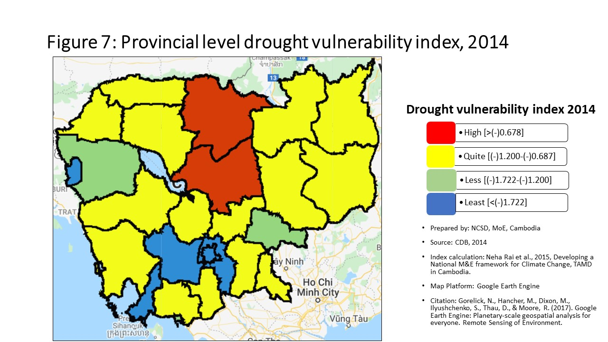
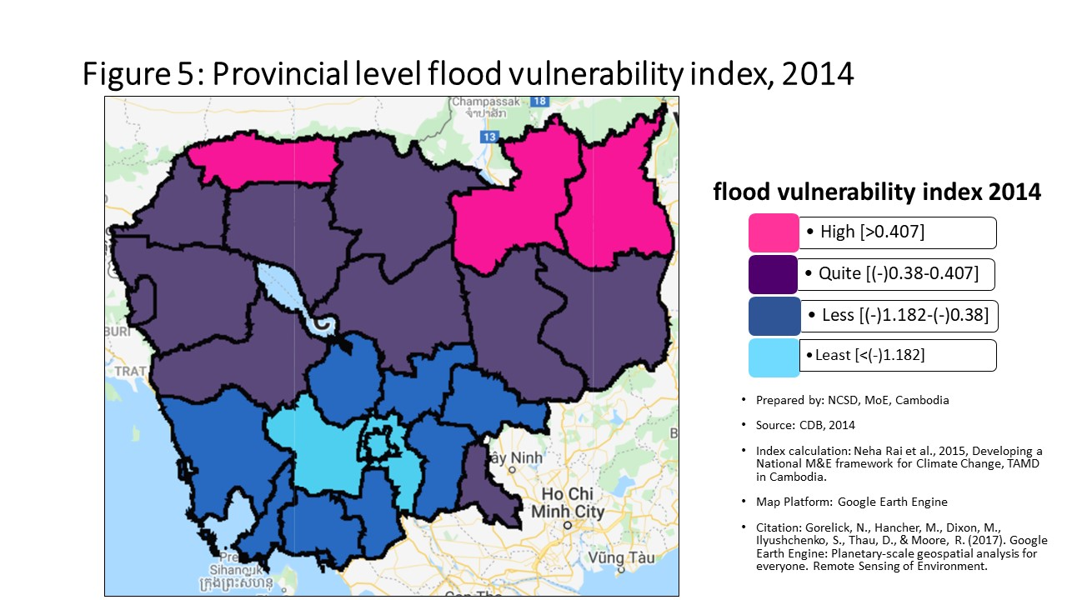
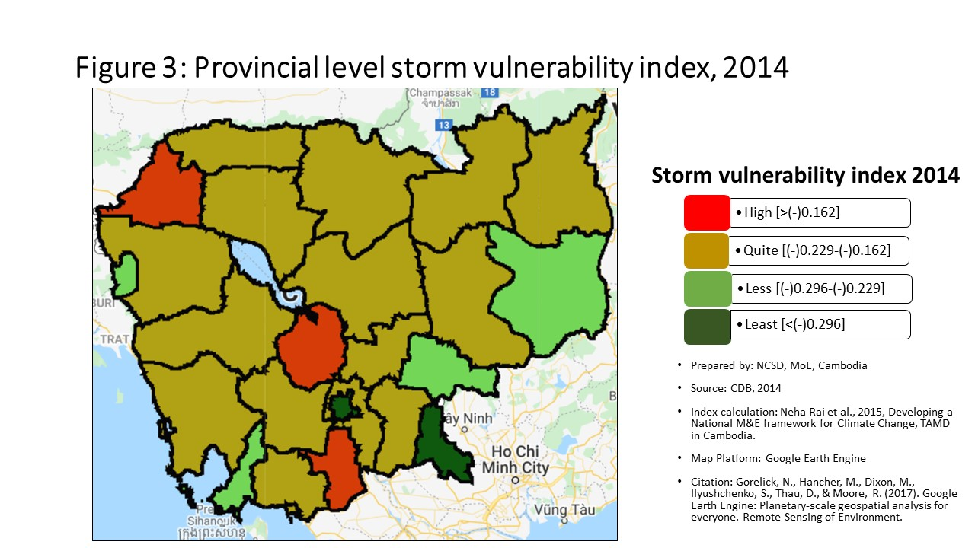
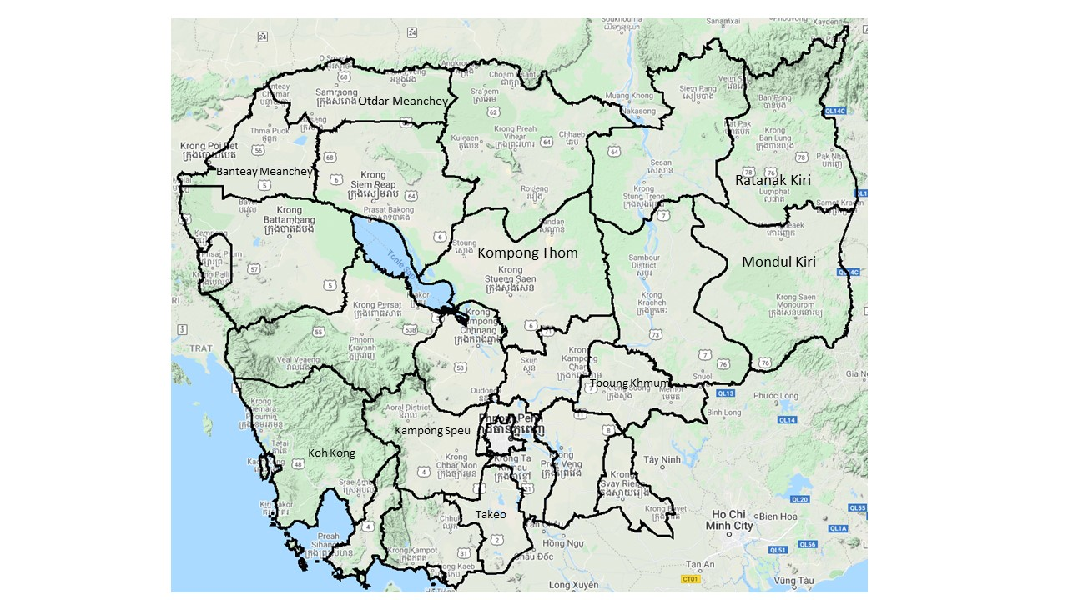
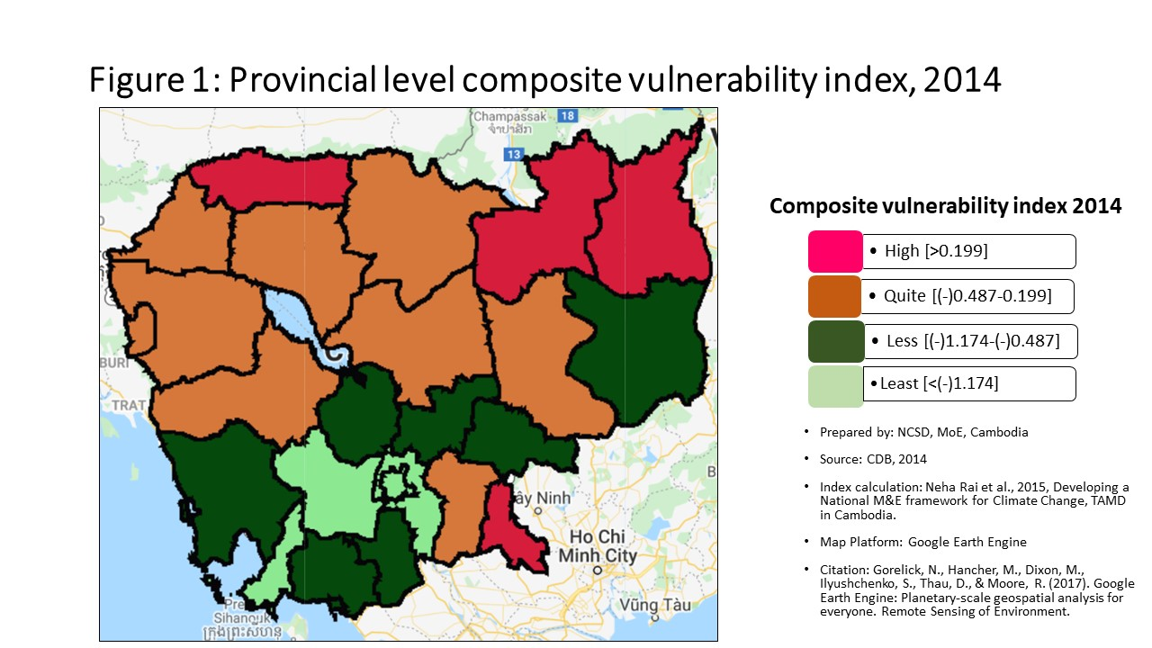
Vulnerability Index by province, 2014
Prepared by: | NCSD, MoE, Cambodia
Source: | CDB 2014
PROV_CODE | PROV_NAME | Storm VI | Rank | Flood VI | Rank | Drought VI | Rank | Composite VI | Rank
1 | Banteay Meanchey | -0.154 | 2 | -0.030 | 7 | -0.968 | 11 | -0.034 | 6
2 | Battambang | -0.172 | 5 | 0.063 | 5 | -1.238 | 18 | 0.044 | 5
3 | Kampong Cham | -0.165 | 4 | -0.619 | 17 | -1.060 | 13 | -0.634 | 17
4 | Kampong Chhnang | -0.153 | 1 | -0.609 | 16 | -0.849 | 6 | -0.581 | 16
5 | Kampong Speu | -0.215 | 15 | -1.448 | 24 | -1.792 | 21 | -1.435 | 24
6 | Kampong Thom | -0.195 | 10 | -0.350 | 12 | -0.654 | 2 | -0.428 | 12
7 | Kampot | -0.185 | 7 | -0.675 | 18 | -1.113 | 16 | -0.691 | 18
8 | Kandal | -0.197 | 11 | -1.205 | 23 | -1.817 | 22 | -1.198 | 22
9 | Koh Kong | -0.222 | 18 | -0.825 | 20 | -1.144 | 17 | -0.830 | 20
10 | Kracheh | -0.191 | 9 | -0.288 | 11 | -0.866 | 7 | -0.395 | 11
11 | Mondul Kiri | -0.250 | 22 | -0.379 | 13 | -0.826 | 5 | -0.530 | 14
12 | Phnom Penh | -0.479 | 25 | -2.481 | 25 | -2.753 | 25 | -2.462 | 25
13 | Preah Vihear | -0.175 | 6 | 0.046 | 6 | -0.644 | 1 | -0.151 | 8
14 | Prey Veng | -0.210 | 14 | -0.388 | 14 | -1.103 | 15 | -0.442 | 13
15 | Pursat | -0.191 | 8 | -0.204 | 9 | -1.086 | 14 | -0.368 | 10
16 | Ratanak Kiri | -0.219 | 17 | 1.273 | 1 | -0.898 | 8 | 0.630 | 2
17 | Siem Reap | -0.204 | 13 | -0.239 | 10 | -0.932 | 10 | -0.347 | 9
18 | Preah Sihanouk | -0.241 | 20 | -1.060 | 21 | -2.041 | 23 | -1.261 | 23
19 | Stung Treng | -0.226 | 19 | 0.585 | 3 | -0.804 | 4 | 0.270 | 3
20 | Svay Rieng | -0.321 | 24 | 0.274 | 4 | -0.968 | 12 | 0.264 | 4
21 | Takeo | -0.159 | 3 | -0.725 | 19 | -0.919 | 9 | -0.739 | 19
22 | Otdar Meanchey | -0.217 | 16 | 1.260 | 2 | -0.724 | 3 | 0.819 | 1
23 | Kep | -0.202 | 12 | -1.102 | 22 | -1.366 | 20 | -1.022 | 21
24 | Pailin | -0.268 | 23 | -0.099 | 8 | -2.139 | 24 | -0.121 | 7
25 | Tboung Khmum | -0.242 | 21 | -0.466 | 15 | -1.305 | 19 | -0.545 | 15

Percentage
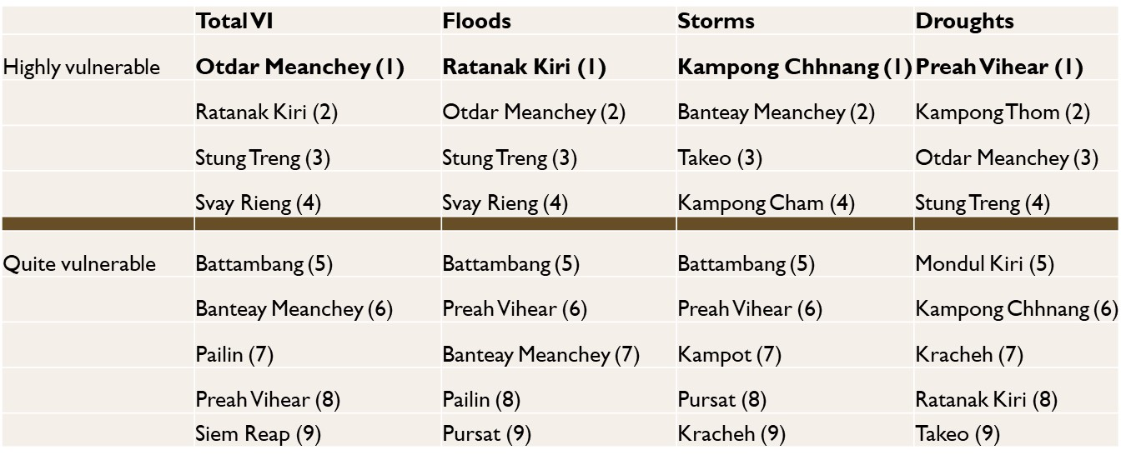
Communes that are 'highly vulnerable' to climate hazards in each provinces, by hazard type
 | Highly vunlerble |  |  |  | Quite Vulnerable
 | Storm | Flood | Drought |  | Storm | Flood | Drought
Banteay Meanchey | 63.08% | 26.15% | 53.85% | Banteay Meanchey | 32.31% | 49.23% | 18.46%
Battambang | 50.00% | 27.45% | 33.33% | Battambang | 33.33% | 34.31% | 24.51%
Kampong Cham | 54.13% | 9.17% | 30.28% | Kampong Cham | 32.11% | 26.61% | 38.53%
Kampong Chhnang | 44.93% | 5.80% | 47.83% | Kampong Chhnang | 30.43% | 28.99% | 27.54%
Kampong Speu | 19.54% | 3.45% | 10.34% | Kampong Speu | 37.93% | 8.05% | 25.29%
Kampong Thom | 37.04% | 18.52% | 54.32% | Kampong Thom | 37.04% | 46.91% | 22.22%
Kampot | 44.09% | 9.68% | 38.71% | Kampot | 38.71% | 23.66% | 34.41%
Kandal | 35.43% | 7.09% | 7.09% | Kandal | 28.35% | 14.17% | 24.41%
Koh Kong | 6.90% | 3.45% | 48.28% | Koh Kong | 44.83% | 44.83% | 20.69%
Kracheh | 34.78% | 13.04% | 45.65% | Kracheh | 41.30% | 30.43% | 32.61%
Mondul Kiri | 14.29% | 14.29% | 52.38% | Mondul Kiri | 14.29% | 19.05% | 28.57%
Phnom Penh | 1.04% | 2.08% | 1.04% | Phnom Penh | 3.13% | 0.00% | 3.13%
Preah Vihear | 49.02% | 17.65% | 66.67% | Preah Vihear | 27.45% | 47.06% | 15.69%
Prey Veng | 22.41% | 13.79% | 27.59% | Prey Veng | 37.07% | 22.41% | 42.24%
Pursat | 36.73% | 16.33% | 44.90% | Pursat | 42.86% | 36.73% | 22.45%
Ratanak Kiri | 8.00% | 24.00% | 62.00% | Ratanak Kiri | 62.00% | 44.00% | 16.00%
Siem Reap | 31.00% | 17.00% | 57.00% | Siem Reap | 38.00% | 42.00% | 15.00%
Preah Sihanouk | 25.93% | 14.81% | 3.70% | Preah Sihanouk | 29.63% | 3.70% | 18.52%
Communes that are 'quite vulnerable' to climate hazards in each provinces, by hazard type
Stung Treng | 11.76% | 20.59% | 55.88% | Stung Treng | 44.12% | 41.18% | 23.53%
Svay Rieng | 0.00% | 27.50% | 35.00% | Svay Rieng | 3.75% | 21.25% | 37.50%
Takeo | 41.00% | 9.00% | 30.00% | Takeo | 45.00% | 19.00% | 30.00%
Otdar Meanchey | 33.33% | 50.00% | 62.50% | Otdar Meanchey | 16.67% | 33.33% | 25.00%
Kep | 40.00% | 0.00% | 20.00% | Kep | 20.00% | 0.00% | 20.00%
Pailin | 12.50% | 50.00% | 12.50% | Pailin | 25.00% | 0.00% | 25.00%
Tboung Khmum | 7.81% | 15.63% | 20.31% | Tboung Khmum | 32.81% | 23.44% | 37.50%

Commune Ranking
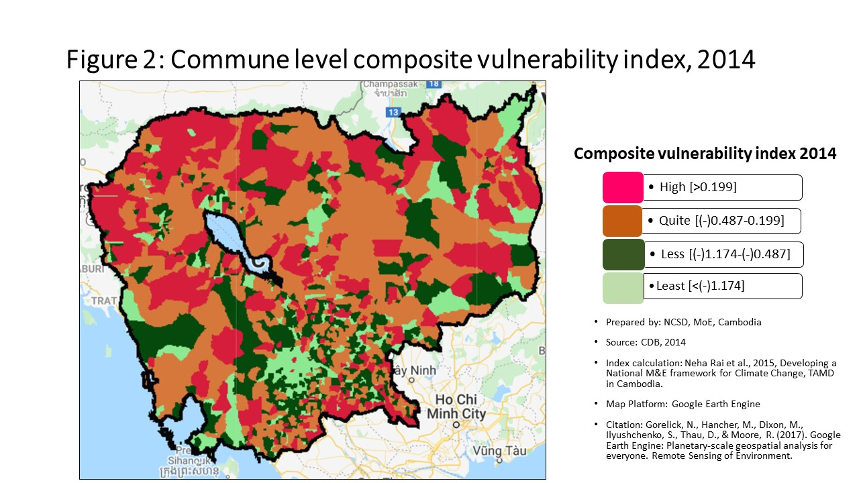
Vulnerability Index by commune, 2014
Prepared by: | NCSD, MoE,Cambodia
Source: | CDB 2014
CommGis | Province | District | Commune | Storm VI | Rank | FLOOD VI | Rank | Drought VI | Rank | Composite VI | Rank
10201 | Banteay Meanchey | Mongkol Borei | Banteay Neang | -0.14438625872 | 365 | -0.25139481273 | 563 | -0.98174389006 | 839 | -0.23926421746 | 601
10202 | Banteay Meanchey | Mongkol Borei | Bat Trang | -0.16781938991 | 568 | 0.0026827949838 | 352 | -0.52495087204 | 434 | 0.12464997509 | 303
10203 | Banteay Meanchey | Mongkol Borei | Chamnaom | -0.15734909111 | 468 | 0.28632397666 | 259 | -1.0846131673 | 913 | 0.020179182258 | 361
10204 | Banteay Meanchey | Mongkol Borei | Kouk Ballangk | -0.14905584416 | 394 | 0.017358981117 | 343 | -0.20291152366 | 157 | 0.13412391618 | 295
10205 | Banteay Meanchey | Mongkol Borei | Koy Maeng | -0.19882786129 | 829 | -0.022860677769 | 371 | -0.96367590086 | 823 | -0.057589670205 | 421
10206 | Banteay Meanchey | Mongkol Borei | Ou Prasat | -0.15794378421 | 471 | -0.42962159803 | 709 | -0.89266159786 | 762 | -0.42386698823 | 744
10207 | Banteay Meanchey | Mongkol Borei | Phnum Touch | -0.2044083885 | 872 | -1.7668206723 | 1362 | -2.8400380308 | 1500 | -1.7476709896 | 1372
10208 | Banteay Meanchey | Mongkol Borei | Rohat Tuek | -0.11165336886 | 188 | -0.0034039999197 | 358 | -0.86350459879 | 739 | 0.00088203500883 | 376
10209 | Banteay Meanchey | Mongkol Borei | Ruessei Kraok | -0.24170406167 | 1125 | -1.6255592155 | 1324 | -2.3713142439 | 1422 | -1.4955934535 | 1314
10210 | Banteay Meanchey | Mongkol Borei | Sambuor | -0.14319941658 | 358 | 0.13659852683 | 295 | -0.3645399623 | 286 | 0.11457913348 | 307
10211 | Banteay Meanchey | Mongkol Borei | Soea | -0.091320345423 | 118 | 0.52202350424 | 223 | -0.28661085785 | 221 | 0.56238690913 | 200
10212 | Banteay Meanchey | Mongkol Borei | Srah Reang | -0.097225428954 | 134 | 0.46211570804 | 228 | -0.31660664346 | 239 | 0.57235878776 | 199
10213 | Banteay Meanchey | Mongkol Borei | Ta Lam | -0.11029440734 | 181 | 0.37299028281 | 241 | -0.51277904731 | 423 | 0.48316152321 | 215
10301 | Banteay Meanchey | Phnum Srok | Nam Tau | -0.14960483551 | 399 | 0.67341585468 | 210 | -0.038386742969 | 55 | 0.78009665057 | 169
10302 | Banteay Meanchey | Phnum Srok | Poy Char | -0.1156594932 | 208 | 3.2660217192 | 65 | -0.3064966226 | 232 | 3.2371176776 | 38
10303 | Banteay Meanchey | Phnum Srok | Ponley | -0.16603927008 | 554 | 0.31605852562 | 256 | -0.70510349729 | 584 | 0.28342452056 | 252
10304 | Banteay Meanchey | Phnum Srok | Spean Sraeng | -0.16658905084 | 558 | -0.93957181396 | 1049 | -1.2507226161 | 1025 | -0.98819428108 | 1107
10305 | Banteay Meanchey | Phnum Srok | Srah Chik | -0.15318858642 | 431 | 2.1540923869 | 111 | -0.41450306225 | 331 | 2.2041396313 | 72
10306 | Banteay Meanchey | Phnum Srok | Phnum Dei | -0.19844746695 | 825 | 0.76709904372 | 200 | -0.57349307796 | 483 | 0.83931807286 | 164
10401 | Banteay Meanchey | Preah Netr Preah | Chnuor Mean Chey | -0.12786513761 | 269 | 0.52363866087 | 222 | -0.40571526892 | 322 | 0.51127928438 | 208
10402 | Banteay Meanchey | Preah Netr Preah | Chob Veari | -0.18914694294 | 745 | -1.0879696007 | 1132 | -2.2378939808 | 1391 | -1.0449167796 | 1140
10403 | Banteay Meanchey | Preah Netr Preah | Phnum Lieb | -0.15707987879 | 466 | -0.32089660545 | 632 | -0.62904704974 | 528 | -0.33265757844 | 672
10404 | Banteay Meanchey | Preah Netr Preah | Prasat | -0.15584483677 | 460 | 0.022140312598 | 341 | -0.27602895018 | 205 | 0.055036878519 | 335
10405 | Banteay Meanchey | Preah Netr Preah | Preah Netr Preah | -0.15704399468 | 465 | 0.54408536541 | 221 | -0.37873955913 | 295 | 0.55114455863 | 202
10406 | Banteay Meanchey | Preah Netr Preah | Rohal | -0.14243326858 | 355 | 0.941149388 | 179 | -0.25757073212 | 192 | 1.0466483689 | 145
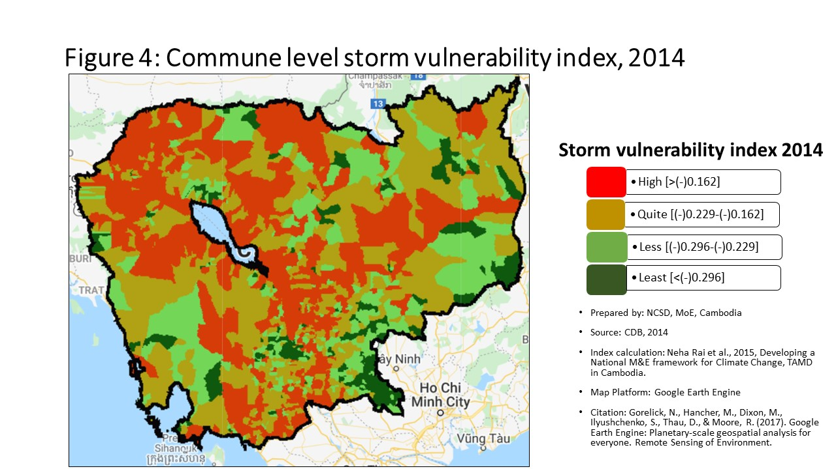
10407 | Banteay Meanchey | Preah Netr Preah | Tean Kam | -0.091661262335 | 119 | 0.70204525872 | 206 | 0.95257798511 | 20 | 0.76224469317 | 173
10408 | Banteay Meanchey | Preah Netr Preah | Tuek Chour | -0.17954561125 | 669 | -0.2072998771 | 524 | -0.42628374573 | 341 | -0.071427913907 | 435
10409 | Banteay Meanchey | Preah Netr Preah | Bos Sbov | -0.1441264997 | 361 | 0.19011181567 | 284 | -0.23687645437 | 176 | 0.26796848091 | 259
10501 | Banteay Meanchey | Ou Chrov | Changha | -0.10607881281 | 166 | 0.074483906642 | 320 | -0.56070268571 | 468 | 0.059301467727 | 333
10502 | Banteay Meanchey | Ou Chrov | Koub | -0.15237846176 | 426 | -0.042589747528 | 384 | -0.58970750624 | 497 | -0.069516453855 | 433
10503 | Banteay Meanchey | Ou Chrov | Kuttasat | -0.23407701122 | 1073 | 0.12925009973 | 300 | -0.72024036098 | 606 | 0.11174892346 | 308
10505 | Banteay Meanchey | Ou Chrov | Samraong | -0.13066670538 | 290 | -0.75010808643 | 940 | -1.0945279056 | 920 | -0.75055775581 | 974
10506 | Banteay Meanchey | Ou Chrov | Souphi | -0.1894839191 | 746 | -0.15168387971 | 478 | -0.46822494093 | 382 | -0.14557016782 | 497
10507 | Banteay Meanchey | Ou Chrov | Soengh | -0.11759694262 | 220 | 0.19902906346 | 282 | -0.48348974768 | 398 | 0.24447599223 | 265
10509 | Banteay Meanchey | Ou Chrov | Ou Bei Choan | -0.085464675656 | 102 | -0.13805776554 | 467 | -1.5629144377 | 1165 | -0.4598562745 | 774
10602 | Banteay Meanchey | Serei Saophoan | Kampong Svay | -0.22641783538 | 1020 | -2.4154810862 | 1481 | -2.8117713866 | 1497 | -2.2919408503 | 1472
10603 | Banteay Meanchey | Serei Saophoan | Kaoh Pong Satv | -0.12900298832 | 277 | 0.11267298491 | 306 | -0.36588981604 | 287 | 0.073361447496 | 324
10604 | Banteay Meanchey | Serei Saophoan | Mkak | -0.10036335542 | 148 | -0.017476253949 | 368 | -0.63198580856 | 531 | 0.099946940089 | 314
10605 | Banteay Meanchey | Serei Saophoan | Ou Ambel | -0.17894407252 | 664 | -0.47580792799 | 740 | -0.89496803404 | 764 | -0.36662518773 | 700
10606 | Banteay Meanchey | Serei Saophoan | Phniet | -0.19908559516 | 832 | 0.025176350424 | 339 | -0.27714904584 | 209 | 0.031632381761 | 351
10607 | Banteay Meanchey | Serei Saophoan | Preah Ponlea | -0.323574434 | 1429 | -2.1577012865 | 1433 | -2.3991329582 | 1429 | -2.0047111669 | 1421
10608 | Banteay Meanchey | Serei Saophoan | Tuek Thla | -0.22503725433 | 1012 | -0.082470316573 | 420 | -1.2639508778 | 1032 | 0.027136008043 | 359
10701 | Banteay Meanchey | Thma Puok | Banteay Chhmar | -0.13401962973 | 318 | -0.041046283989 | 383 | -0.51790326731 | 428 | -0.060077134078 | 423
10702 | Banteay Meanchey | Thma Puok | Kouk Romiet | -0.10169344618 | 151 | -0.24060099661 | 557 | -0.8699172267 | 745 | -0.12931820363 | 486
10703 | Banteay Meanchey | Thma Puok | Phum Thmei | -0.11839068716 | 226 | -0.60368884447 | 836 | -1.4064140284 | 1098 | -0.47733086598 | 792
10704 | Banteay Meanchey | Thma Puok | Thma Puok | -0.1332346982 | 311 | -6.5916361419 | 1625 | -7.5434411153 | 1630 | -6.6171546673 | 1625
10705 | Banteay Meanchey | Thma Puok | Kouk Kakthen | -0.085843853005 | 105 | 0.57268605295 | 216 | -0.13208426429 | 103 | 0.68792023253 | 182
10706 | Banteay Meanchey | Thma Puok | Kumru | -0.15150619493 | 419 | -0.96061863911 | 1061 | -1.5913525514 | 1181 | -0.82894686801 | 1014
10801 | Banteay Meanchey | Svay Chek | Phkoam | -0.13249893707 | 305 | 3.1375950155 | 69 | -0.25864844237 | 195 | 2.2632830867 | 69
10802 | Banteay Meanchey | Svay Chek | Sarongk | -0.18820929134 | 739 | -0.36890545635 | 670 | -0.85019781452 | 723 | -0.38119632846 | 710
10803 | Banteay Meanchey | Svay Chek | Sla Kram | -0.14734967942 | 382 | 0.23042056714 | 276 | -0.59122376942 | 499 | 0.26153009635 | 261
10804 | Banteay Meanchey | Svay Chek | Svay Chek | -0.1110605618 | 185 | 0.32588878095 | 251 | -0.52503321878 | 435 | 0.30812895605 | 244
10805 | Banteay Meanchey | Svay Chek | Ta Baen | -0.15120601079 | 415 | -0.11052465791 | 451 | -0.50636572988 | 411 | 0.018447428741 | 363
10806 | Banteay Meanchey | Svay Chek | Ta Phou | -0.080148108814 | 92 | 0.11422096587 | 304 | -0.36784411688 | 288 | 0.11852676404 | 305
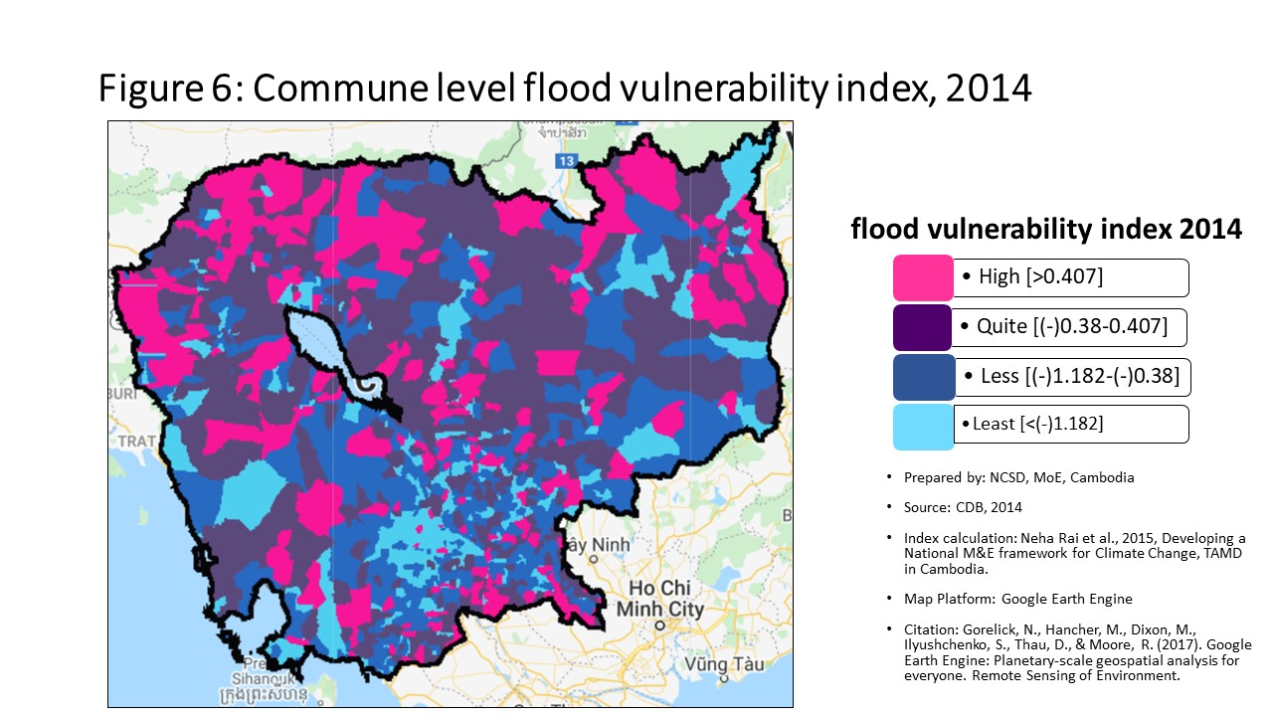
10807 | Banteay Meanchey | Svay Chek | Treas | -0.094973607546 | 126 | 0.45966630018 | 229 | -0.40008658152 | 315 | 0.42050975585 | 226
10808 | Banteay Meanchey | Svay Chek | Roluos | -0.15837111428 | 477 | -0.73313350468 | 926 | -1.8029719767 | 1257 | -0.66436424307 | 909
10901 | Banteay Meanchey | Malai | Boeng Beng | -0.19780470198 | 818 | 2.4544930211 | 93 | -1.9739708258 | 1316 | 1.8165443571 | 89
10902 | Banteay Meanchey | Malai | Malai | -0.19428062968 | 788 | 1.5838491319 | 140 | -2.0752207236 | 1349 | 1.0693997176 | 144
10903 | Banteay Meanchey | Malai | Ou Sampoar | -0.16477833784 | 546 | 0.82462201351 | 190 | -1.3296674259 | 1067 | 0.92616621081 | 155
10904 | Banteay Meanchey | Malai | Ou Sralau | -0.21284531886 | 935 | -0.39867387186 | 688 | -2.0316773179 | 1333 | -0.34598594785 | 683
10905 | Banteay Meanchey | Malai | Tuol Pongro | -0.11700721548 | 216 | 0.23925219714 | 273 | -0.50166308585 | 407 | 0.27002676804 | 257
10906 | Banteay Meanchey | Malai | Ta Kong | -0.1005665342 | 150 | 0.41368851322 | 237 | -0.24044690629 | 183 | 0.40359462906 | 227
11001 | Banteay Meanchey | Paoy Paet | Nimitt | -0.16590338937 | 553 | -0.22118440752 | 540 | -0.92504451839 | 796 | -0.17042603796 | 525
11002 | Banteay Meanchey | Paoy Paet | Paoy Paet | -0.20974033204 | 920 | -0.81244446234 | 969 | -1.2409808013 | 1013 | -0.91283928104 | 1071
11003 | Banteay Meanchey | Paoy Paet | Phsar Kandal | -0.22234147435 | 995 | -0.80397002644 | 960 | -1.6912605107 | 1221 | -0.91647861864 | 1075
20101 | Battambang | Banan | Kantueu Muoy | -0.16976297245 | 583 | -0.34131552652 | 649 | -0.55901985685 | 467 | -0.21914574353 | 581
20102 | Battambang | Banan | Kantueu Pir | -0.15350891567 | 435 | 4.0883117896 | 40 | -0.54803098793 | 459 | 2.8037029343 | 45
20103 | Battambang | Banan | Bay Damram | -0.15046865821 | 411 | -2.536321456 | 1507 | -4.5946962052 | 1604 | -3.1241150318 | 1561
20104 | Battambang | Banan | Chheu Teal | -0.19873431165 | 828 | -0.91455359679 | 1038 | -1.1125276664 | 939 | -0.78795183701 | 993
20105 | Battambang | Banan | Chaeng Mean Chey | -0.13376442278 | 315 | 0.38112809495 | 239 | -0.59757987047 | 504 | 0.44597647812 | 223
20106 | Battambang | Banan | Phnum Sampov | -0.17758955973 | 656 | -0.37587520107 | 673 | -0.9496182016 | 810 | -0.38233646021 | 712
20107 | Battambang | Banan | Snoeng | -0.12963473961 | 278 | -1.8618384686 | 1380 | -2.6056938427 | 1463 | -1.8835841901 | 1404
20108 | Battambang | Banan | Ta Kream | -0.12344770255 | 247 | 0.76840353586 | 198 | -0.75345158821 | 636 | 0.65303865094 | 188
20201 | Battambang | Thma Koul | Ta Pung | -0.15392754727 | 442 | -0.92196701813 | 1044 | -1.6444299268 | 1207 | -0.83669332706 | 1019
20202 | Battambang | Thma Koul | Ta Meun | -0.15526205936 | 451 | -0.73796729834 | 930 | -1.5962595567 | 1186 | -0.63436976675 | 889
20203 | Battambang | Thma Koul | Ou Ta Ki | -0.060347954325 | 61 | -0.060075726525 | 399 | -0.67586878168 | 562 | -0.013851714056 | 388
20204 | Battambang | Thma Koul | Chrey | -0.16140453546 | 503 | -0.63528469471 | 859 | -1.2973225286 | 1048 | -0.65567231212 | 902
20205 | Battambang | Thma Koul | Anlong Run | -0.066288542063 | 71 | 0.085267243911 | 317 | -0.38551804453 | 298 | 0.05218514773 | 337
20206 | Battambang | Thma Koul | Chrouy Sdau | -0.089354937712 | 113 | -0.14344024424 | 471 | -0.80198620673 | 682 | -0.056498252274 | 418
20207 | Battambang | Thma Koul | Boeng Pring | -0.15062229273 | 413 | 0.039805226747 | 333 | -1.0884365439 | 917 | 0.16254583245 | 285
20208 | Battambang | Thma Koul | Kouk Khmum | -0.10667272249 | 170 | -0.21921089488 | 538 | -0.92760428265 | 797 | -0.14419089164 | 496
20209 | Battambang | Thma Koul | Bansay Traeng | -0.088356480582 | 109 | -0.17285283243 | 492 | -1.21587789 | 996 | -0.071472965453 | 436
20210 | Battambang | Thma Koul | Rung Chrey | -0.081069493116 | 94 | 0.56898979857 | 217 | -0.76626013929 | 649 | 0.58257807404 | 196
20301 | Battambang | Battambang | Tuol Ta Aek | -0.34792410061 | 1482 | -1.6111880476 | 1320 | -1.8511504103 | 1276 | -1.4542627812 | 1304
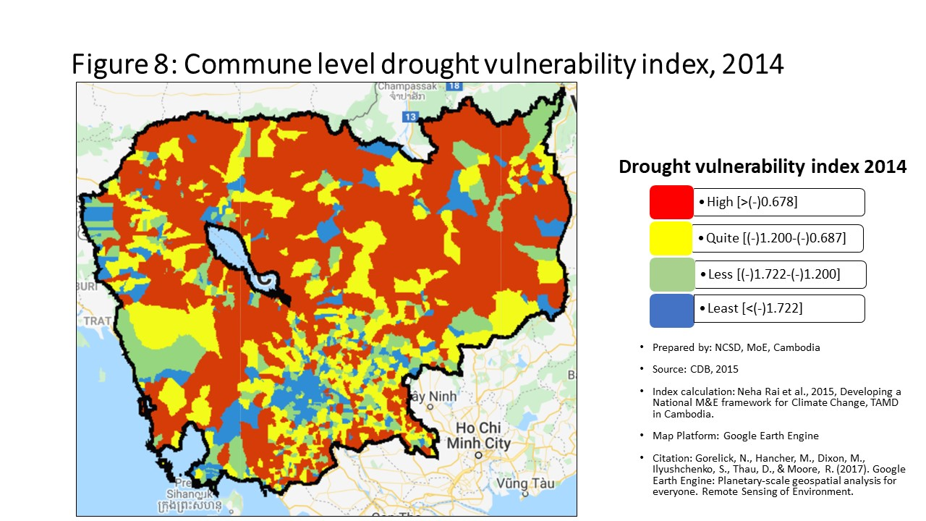
20302 | Battambang | Battambang | Preaek Preah Sdach | -0.39931783366 | 1542 | -1.0833661944 | 1131 | -1.1674219049 | 974 | -0.95013880563 | 1092
20303 | Battambang | Battambang | Rotanak | -0.32186455 | 1422 | -0.49273665895 | 754 | -1.6206055021 | 1198 | -0.66293687002 | 907
20304 | Battambang | Battambang | Chamkar Samraong | -0.33118382691 | 1445 | -1.9022873976 | 1388 | -2.0629362392 | 1347 | -1.7753593632 | 1378
20305 | Battambang | Battambang | Sla Kaet | -0.33418141177 | 1448 | -1.9965315403 | 1407 | -2.0921513561 | 1353 | -1.8627552277 | 1398
20306 | Battambang | Battambang | Kdol Doun Teav | -0.29953642964 | 1361 | -1.3779755339 | 1258 | -1.7492311219 | 1245 | -1.2610638535 | 1236
20307 | Battambang | Battambang | Ou Mal | -0.18411154051 | 705 | -0.83037698605 | 986 | -1.4208833722 | 1109 | -0.69355967956 | 930
20308 | Battambang | Battambang | Voat Kor | -0.24843114659 | 1158 | -1.3704207993 | 1256 | -1.6351091841 | 1203 | -1.2307048299 | 1221
20309 | Battambang | Battambang | Ou Char | -0.29899614256 | 1358 | -1.7454849002 | 1357 | -1.906884077 | 1301 | -1.5909517636 | 1336
20310 | Battambang | Battambang | Svay Pao | -0.38442356665 | 1531 | 0.35931676103 | 243 | -0.99948651647 | 852 | 0.042978109528 | 343
20401 | Battambang | Bavel | Bavel | -0.15163061845 | 421 | -0.62343806634 | 848 | -1.3714076082 | 1088 | -0.51995716063 | 822
20402 | Battambang | Bavel | Khnach Romeas | -0.14552992735 | 372 | 0.15014586175 | 291 | -0.67522015506 | 561 | 0.23696975998 | 267
20403 | Battambang | Bavel | Lvea | -0.13200567517 | 302 | 0.15466520588 | 288 | -0.71971914773 | 605 | 0.24157533998 | 266
20404 | Battambang | Bavel | Prey Khpos | -0.15136485967 | 417 | 0.087883891108 | 316 | -0.35608744813 | 277 | 0.19115186496 | 281
20405 | Battambang | Bavel | Ampil Pram Daeum | -0.12207438766 | 239 | -0.0081726302917 | 363 | -0.31799149908 | 241 | 0.070796223654 | 328
20406 | Battambang | Bavel | Kdol Ta Haen | -0.13215144231 | 304 | -0.40003846869 | 689 | -0.66763166763 | 556 | -0.31283894946 | 662
20407 | Battambang | Bavel | Khlaeng Meas | -0.16332996293 | 528 | 0.028051212556 | 338 | -0.27056083566 | 202 | 0.12783213605 | 300
20408 | Battambang | Bavel | Boeung Pram | -0.096903504561 | 131 | 0.14766114475 | 292 | 0.058193313311 | 39 | 0.22308121196 | 273
20501 | Battambang | Aek Phnum | Preaek Norint | -0.19156075922 | 766 | -0.69609561346 | 901 | -0.9990470831 | 851 | -0.57171941683 | 850
20502 | Battambang | Aek Phnum | Samraong Knong | -0.31004905619 | 1395 | -1.0052396605 | 1089 | -2.353164601 | 1415 | -1.2496310097 | 1228
20503 | Battambang | Aek Phnum | Preaek Khpob | -0.24504807266 | 1141 | -0.76055411756 | 946 | -1.0547907937 | 891 | -0.75404561819 | 975
20504 | Battambang | Aek Phnum | Preaek Luong | -0.13046406694 | 286 | -0.48702718819 | 750 | -0.63532533597 | 536 | -0.37628519924 | 707
20505 | Battambang | Aek Phnum | Peam Aek | -0.16248998824 | 519 | -1.4561482387 | 1278 | -1.8034788689 | 1258 | -1.43847143 | 1297
20506 | Battambang | Aek Phnum | Prey Chas | -0.0052480916031 | 20 | 0.022946039359 | 340 | 0.062040669032 | 36 | -0.024954723999 | 396
20507 | Battambang | Aek Phnum | Kaoh Chiveang | 0.053939430265 | 5 | 0.045374715904 | 331 | -0.00066316613153 | 49 | -0.020996569561 | 391
20601 | Battambang | Moung Ruessei | Moung | -0.15919256404 | 484 | -1.012007954 | 1096 | -1.3293717733 | 1066 | -1.0282787697 | 1128
20602 | Battambang | Moung Ruessei | Kear | -0.12983720497 | 280 | 0.4139437703 | 236 | -0.81744045099 | 692 | 0.16062024138 | 286
20603 | Battambang | Moung Ruessei | Prey Svay | -0.090717287208 | 117 | -0.70414343575 | 906 | -1.1710643808 | 977 | -0.69422015897 | 933
20604 | Battambang | Moung Ruessei | Ruessei Krang | -0.096086118997 | 129 | -1.3217765953 | 1231 | -1.6346992009 | 1202 | -1.2567850543 | 1233
20605 | Battambang | Moung Ruessei | Chrey | -0.04108783008 | 38 | 0.93499454105 | 180 | -0.58814611501 | 495 | 0.57775011149 | 197
20606 | Battambang | Moung Ruessei | Ta Loas | -0.11696032818 | 214 | 1.5483161049 | 142 | -0.58283118045 | 489 | 1.0085602176 | 146
20607 | Battambang | Moung Ruessei | Kakaoh | -0.048838439622 | 45 | 2.05754465 | 117 | -0.75489217249 | 638 | 1.306511593 | 127
20608 | Battambang | Moung Ruessei | Prey Touch | -0.17452881421 | 636 | -0.31794712442 | 630 | -0.86327177272 | 738 | -0.23654006249 | 596
20609 | Battambang | Moung Ruessei | Robas Mongkol | -0.067176481906 | 73 | 1.9818628658 | 121 | -0.40418847018 | 319 | 1.2313315117 | 135
20701 | Battambang | Rotonak Mondol | Sdau | -0.19854334477 | 826 | 0.19629973157 | 283 | -0.80933695463 | 687 | 0.17420616192 | 284
20702 | Battambang | Rotonak Mondol | Andaeuk Haeb | -0.17310437987 | 612 | 0.13379637523 | 297 | -0.20448926198 | 159 | 0.19200539623 | 280
20703 | Battambang | Rotonak Mondol | Phlov Meas | -0.079998072103 | 91 | 1.3308144018 | 160 | -1.804719992 | 1259 | 0.63570181933 | 189
20704 | Battambang | Rotonak Mondol | Traeng | -0.14059336069 | 345 | 0.50475822 | 224 | -0.6979741849 | 577 | 0.51505960656 | 207
20705 | Battambang | Rotonak Mondol | Reaksmei Songha | -0.13174164513 | 300 | 1.2237520452 | 167 | -0.48243144361 | 396 | 1.2052079205 | 137
20801 | Battambang | Sangkae | Anlong Vil | -0.19692425307 | 809 | -4.3039176017 | 1606 | -4.5036315441 | 1601 | -4.1758742037 | 1605
20802 | Battambang | Sangkae | Norea | -0.31730641802 | 1408 | -1.0767818359 | 1129 | -1.2228203278 | 1002 | -1.0206651503 | 1125
20803 | Battambang | Sangkae | Ta Pon | -0.17317404594 | 614 | -0.030977988216 | 375 | -0.90767114702 | 780 | 0.019610109562 | 362
20804 | Battambang | Sangkae | Roka | -0.19396529384 | 784 | -0.079913958564 | 418 | -0.27838030608 | 211 | 0.049143667147 | 340
20805 | Battambang | Sangkae | Kampong Preah | -0.22054743111 | 985 | -0.25251264933 | 564 | -0.41888504264 | 335 | -0.20621925125 | 572
20806 | Battambang | Sangkae | Kampong Preang | -0.19797272099 | 822 | -0.38434003389 | 677 | -0.89636032942 | 769 | -0.26240569633 | 619
20807 | Battambang | Sangkae | Reang Kesei | -0.16718117944 | 563 | -0.55377071597 | 799 | -0.74338698305 | 626 | -0.40840150147 | 730
20808 | Battambang | Sangkae | Ou Dambang Muoy | -0.23017833982 | 1045 | -0.1260476604 | 460 | -1.2492679792 | 1022 | -0.37342513706 | 703
20809 | Battambang | Sangkae | Ou Dambang Pir | -0.2078406633 | 902 | -0.5743865039 | 817 | -0.60204455434 | 507 | -0.50582125516 | 813
20810 | Battambang | Sangkae | Voat Ta Muem | -0.18267374849 | 697 | -0.67760084508 | 886 | -0.84545580764 | 721 | -0.59291784092 | 865
20901 | Battambang | Samlout | Ta Taok | -0.20533292905 | 882 | -0.47228606843 | 735 | -0.61417082564 | 519 | -0.45880880948 | 771
20902 | Battambang | Samlout | Kampong Lpov | -0.23188633697 | 1059 | -1.1820554614 | 1174 | -1.8395605224 | 1271 | -1.1051420023 | 1169
20903 | Battambang | Samlout | Ou Samril | -0.15575101047 | 458 | -0.39488176017 | 684 | -1.9741472531 | 1317 | -0.34453135381 | 681
20904 | Battambang | Samlout | Sung | -0.20753081465 | 900 | -1.6920845915 | 1344 | -2.7430124916 | 1489 | -1.5673697322 | 1330
20905 | Battambang | Samlout | Samlout | -0.22199995817 | 993 | -0.55862228404 | 804 | -0.89530023333 | 767 | -0.45911897492 | 773
20906 | Battambang | Samlout | Mean Chey | -0.20136596991 | 848 | 1.1861370214 | 169 | -0.39450225713 | 308 | 1.2751500239 | 131
20907 | Battambang | Samlout | Ta Sanh | -0.19366597665 | 779 | 0.013587104818 | 346 | -1.0466231961 | 883 | 0.15334904835 | 290
21001 | Battambang | Sampov Lun | Sampov Lun | -0.19182857401 | 768 | 2.6817408786 | 85 | -2.061125739 | 1344 | 2.7260319503 | 46
21002 | Battambang | Sampov Lun | Angkor Ban | -0.29353891236 | 1331 | 1.8813639512 | 124 | -2.8632446193 | 1502 | 1.9880301636 | 82
21003 | Battambang | Sampov Lun | Ta Sda | -0.26270387289 | 1221 | 2.0505459712 | 119 | -5.5995625906 | 1617 | 2.1772779143 | 74
21004 | Battambang | Sampov Lun | Santepheap | -0.20535146208 | 883 | -2.4757732276 | 1488 | -4.3120152051 | 1597 | -2.3577435284 | 1482
21005 | Battambang | Sampov Lun | Serei Mean Chey | -0.12471681699 | 253 | 1.3956673084 | 152 | -1.3021897635 | 1050 | 1.419663137 | 119
21006 | Battambang | Sampov Lun | Chrey Seima | -0.14093905523 | 347 | 2.8147313825 | 79 | -1.5978099203 | 1188 | 2.2919799739 | 65
21101 | Battambang | Phnum Proek | Phnum Proek | -0.29363908856 | 1333 | 4.3874084634 | 37 | -1.920912535 | 1305 | 4.4634825385 | 19
21102 | Battambang | Phnum Proek | Pech Chenda | -0.20714808331 | 896 | 2.4345763877 | 94 | -2.0387041437 | 1336 | 2.4090836042 | 59
21103 | Battambang | Phnum Proek | Bour | -0.13582441305 | 321 | 0.74960133679 | 202 | -0.97589442911 | 835 | 0.85923154521 | 162
21104 | Battambang | Phnum Proek | Barang Thleak | -0.21976677592 | 980 | 3.2356929422 | 66 | -3.1738628035 | 1534 | 3.2657066419 | 36
21105 | Battambang | Phnum Proek | Ou Rumduol | -0.16861383402 | 573 | 1.3790189871 | 155 | -1.307834522 | 1051 | 1.4921109537 | 113
21201 | Battambang | Kamrieng | Kamrieng | -0.14860994458 | 388 | -0.82089516408 | 977 | -4.0493570936 | 1592 | -0.72766546845 | 954
21202 | Battambang | Kamrieng | Boeng Reang | -0.20611819508 | 886 | 0.73173784696 | 204 | -1.445485161 | 1123 | 0.82872560276 | 167
21203 | Battambang | Kamrieng | Ou Da | -0.12822347689 | 271 | 1.3854267742 | 154 | -1.6924097318 | 1222 | 1.5039114337 | 112
21204 | Battambang | Kamrieng | Trang | -0.1688349223 | 577 | 1.8331940651 | 127 | -1.9173907185 | 1303 | 1.9403769593 | 84
21205 | Battambang | Kamrieng | Ta Saen | -0.18615514905 | 723 | 2.9524113002 | 75 | -1.3736767528 | 1089 | 2.9546583643 | 41
21206 | Battambang | Kamrieng | Ta Krei | -0.16363471453 | 531 | 1.140076088 | 172 | -1.2228348193 | 1003 | 1.1624661373 | 141
21301 | Battambang | Koas Krala | Thipakdei | -0.11229167252 | 194 | -0.30986931669 | 617 | -0.59163074378 | 500 | -0.32951838033 | 669
21302 | Battambang | Koas Krala | Kaos Krala | -0.16452189404 | 542 | -0.83908954959 | 994 | -1.333280486 | 1069 | -0.72722296277 | 953
21303 | Battambang | Koas Krala | Hab | -0.094713386274 | 124 | -0.13899547604 | 469 | -0.0790674646 | 70 | -0.017274996079 | 389
21304 | Battambang | Koas Krala | Preah Phos | -0.15544309664 | 452 | 0.33685124447 | 249 | -0.23705508488 | 177 | 0.4524290595 | 220
21305 | Battambang | Koas Krala | Doun Ba | -0.10836400763 | 175 | 0.090797477829 | 314 | 0.022513986737 | 43 | 0.20825009807 | 277
21306 | Battambang | Koas Krala | Chhnal Moan | -0.13110329187 | 295 | -0.029889555605 | 374 | -0.25439407693 | 190 | 0.087783220977 | 317
21401 | Battambang | Rukh Kiri | Preaek Chik | -0.14897309235 | 392 | -0.1753412345 | 496 | -0.41205636444 | 328 | -0.12223878183 | 477
21402 | Battambang | Rukh Kiri | Prey Tralach | -0.13083103765 | 293 | 3.9022662909 | 47 | -0.18200576777 | 140 | 2.5757517765 | 50
21403 | Battambang | Rukh Kiri | Mukh Reah | -0.19129249573 | 763 | -0.15707525858 | 483 | -0.35797594243 | 280 | -0.1431206097 | 492
21404 | Battambang | Rukh Kiri | Sdok Pravoek | -0.1500162655 | 405 | -0.15154933942 | 477 | -0.60795043696 | 510 | -0.15374060094 | 499
21405 | Battambang | Rukh Kiri | Basak | -0.15584367285 | 459 | 0.16616639863 | 287 | -0.32068078351 | 244 | 0.139779721 | 293
30101 | Kampong Cham | Batheay | Batheay | -0.13012650919 | 282 | -1.1917854079 | 1179 | -1.5057589741 | 1145 | -1.0648053554 | 1149
30102 | Kampong Cham | Batheay | Chbar Ampov | -0.095869440832 | 128 | -0.1344085437 | 466 | -0.37301195368 | 291 | -0.02279111847 | 394
30103 | Kampong Cham | Batheay | Chealea | -0.061526399865 | 63 | -1.2283058844 | 1197 | -1.7270270564 | 1237 | -1.1302310847 | 1181
30104 | Kampong Cham | Batheay | Cheung Prey | -0.13118966217 | 299 | 2.6137402785 | 86 | -0.99392919099 | 847 | 1.4587327354 | 115
30105 | Kampong Cham | Batheay | Me Pring | -0.1558777985 | 461 | -0.66977105706 | 880 | -0.84848438566 | 722 | -0.6848321114 | 924
30106 | Kampong Cham | Batheay | Ph'av | -0.36644778784 | 1514 | -2.7107330424 | 1526 | -3.136249665 | 1532 | -2.6112009756 | 1520
30107 | Kampong Cham | Batheay | Sambour | -0.11509411081 | 206 | -0.60330382117 | 835 | -1.026609105 | 865 | -0.49133750856 | 803
30108 | Kampong Cham | Batheay | Sandaek | -0.089076433121 | 112 | -0.57346196936 | 816 | -0.6136662885 | 516 | -0.44706069547 | 758
30109 | Kampong Cham | Batheay | Tang Krang | -0.11402537524 | 199 | -0.94016746267 | 1050 | -1.2211226397 | 998 | -0.90552361994 | 1063
30110 | Kampong Cham | Batheay | Tang Krasang | -0.10593587053 | 165 | -1.032987313 | 1107 | -1.0127397363 | 859 | -0.90731916077 | 1065
30111 | Kampong Cham | Batheay | Trab | -0.10054133329 | 149 | 3.657940313 | 54 | -0.28899988434 | 222 | 2.4748637838 | 56
30112 | Kampong Cham | Batheay | Tumnob | -0.25633574406 | 1197 | -1.1078521371 | 1141 | -1.0965487079 | 922 | -0.96763455829 | 1102
30201 | Kampong Cham | Chamkar Leu | Bos Khnor | -0.18144532865 | 683 | -1.0054994945 | 1091 | -1.4590956289 | 1125 | -0.90181460408 | 1060
30202 | Kampong Cham | Chamkar Leu | Chamkar Andoung | -0.15969391775 | 490 | 0.11322852069 | 305 | -0.68393254965 | 569 | 0.11095098297 | 309
30203 | Kampong Cham | Chamkar Leu | Cheyyou | -0.20011375187 | 839 | -0.64873276519 | 866 | -0.83484124041 | 709 | -0.53131853933 | 830
30204 | Kampong Cham | Chamkar Leu | Lvea Leu | -0.14421099851 | 362 | 0.0099741436846 | 349 | -0.53153300299 | 438 | 0.087268737863 | 318
30205 | Kampong Cham | Chamkar Leu | Spueu | -0.23445651304 | 1076 | -0.37698982997 | 675 | -0.80015999481 | 680 | -0.26472612027 | 623
30206 | Kampong Cham | Chamkar Leu | Svay Teab | -0.22702735229 | 1024 | -1.4581083637 | 1280 | -1.974413851 | 1318 | -1.4326102225 | 1294
30207 | Kampong Cham | Chamkar Leu | Ta Ong | -0.15434211889 | 443 | 0.13325556235 | 298 | -1.2881189716 | 1042 | -0.11292296517 | 466
30208 | Kampong Cham | Chamkar Leu | Ta Prok | -0.15973541384 | 491 | -0.34566665091 | 652 | -0.63246456731 | 533 | -0.23916732934 | 600
30301 | Kampong Cham | Cheung Prey | Khnor Dambang | -0.19380088293 | 781 | -1.3017664481 | 1226 | -1.7477144884 | 1244 | -1.16736529 | 1200
30302 | Kampong Cham | Cheung Prey | Kouk Rovieng | -0.12541516634 | 258 | -0.69444915537 | 899 | -0.69643688039 | 575 | -0.55978119886 | 844
30303 | Kampong Cham | Cheung Prey | Pdau Chum | -0.11199282583 | 189 | -1.2233693408 | 1190 | -1.5011849985 | 1139 | -1.0950094364 | 1163
30304 | Kampong Cham | Cheung Prey | Prey Char | -0.17719721572 | 653 | -1.8050512786 | 1372 | -2.1049822606 | 1356 | -1.6707393076 | 1353
30305 | Kampong Cham | Cheung Prey | Pring Chrum | -0.10198446492 | 155 | -0.69821231316 | 904 | -0.62956035802 | 529 | -0.57738817847 | 853
30306 | Kampong Cham | Cheung Prey | Sampong Chey | -0.13177183085 | 301 | -5.384530964 | 1618 | -5.6400639108 | 1619 | -5.4294659514 | 1620
30307 | Kampong Cham | Cheung Prey | Sdaeung Chey | -0.18125796324 | 682 | -1.1328621355 | 1152 | -1.3210394233 | 1060 | -1.0159307193 | 1120
30308 | Kampong Cham | Cheung Prey | Soutib | -0.25928448029 | 1208 | -2.3093653537 | 1462 | -2.5060528534 | 1443 | -2.2533917692 | 1468
30309 | Kampong Cham | Cheung Prey | Sramar | -0.18998217469 | 749 | -2.2759461118 | 1455 | -1.1997134483 | 992 | -2.188908313 | 1456
30310 | Kampong Cham | Cheung Prey | Trapeang Kor | -0.13255072464 | 306 | -0.61737162369 | 843 | -0.85223258508 | 726 | -0.46751655123 | 782
30501 | Kampong Cham | Kampong Cham | Boeng Kok | -0.34968266557 | 1486 | -3.3158538325 | 1574 | -0.57462814222 | 484 | -3.1868896069 | 1570
30502 | Kampong Cham | Kampong Cham | Kampong Cham | -0.46014697399 | 1564 | -2.2476563175 | 1448 | -2.2505226131 | 1393 | -2.0987499098 | 1438
30503 | Kampong Cham | Kampong Cham | Sambuor Meas | -0.26590639402 | 1233 | -3.4354747492 | 1580 | 1.9385981575 | 10 | -3.326326942 | 1578
30504 | Kampong Cham | Kampong Cham | Veal Vong | -0.4059485569 | 1550 | -2.4569951675 | 1487 | -2.4599413497 | 1437 | -2.3240398778 | 1478
30601 | Kampong Cham | Kampong Siem | Ampil | -0.30856011582 | 1390 | -1.8460303204 | 1377 | -2.042898094 | 1337 | -1.7422819608 | 1369
30602 | Kampong Cham | Kampong Siem | Hanchey | -0.12177819195 | 237 | -0.36491708951 | 667 | -1.0578717966 | 896 | -0.22757722993 | 586
30603 | Kampong Cham | Kampong Siem | Kien Chrey | -0.14664031621 | 376 | -0.70700431218 | 912 | -0.81321371082 | 690 | -0.61163610925 | 880
30604 | Kampong Cham | Kampong Siem | Kokor | -0.21580117151 | 949 | -0.90160118153 | 1029 | -1.1353355582 | 955 | -0.83006034973 | 1015
30605 | Kampong Cham | Kampong Siem | Kaoh Mitt | -0.18217176521 | 690 | -0.068586339153 | 405 | -0.35401749299 | 272 | -0.0057190479 | 378
30606 | Kampong Cham | Kampong Siem | Kaoh Roka | -0.26656013522 | 1235 | 0.15161403525 | 289 | -1.8104637646 | 1260 | -0.30658765962 | 655
30607 | Kampong Cham | Kampong Siem | Kaoh Samraong | -0.11034013605 | 182 | -0.025127756828 | 372 | -0.097998219562 | 78 | -0.040910069753 | 404
30608 | Kampong Cham | Kampong Siem | Kaoh Tontuem | -0.19820782577 | 823 | -0.47240142853 | 737 | -0.90510777822 | 776 | -0.52709504241 | 827
30609 | Kampong Cham | Kampong Siem | Krala | -0.24531562514 | 1143 | -1.3638898544 | 1253 | -1.5650449882 | 1167 | -1.3664670986 | 1268
30610 | Kampong Cham | Kampong Siem | Ou Svay | -0.2039781059 | 868 | 2.0998286487 | 116 | -2.097275961 | 1354 | 0.91340207705 | 156
30611 | Kampong Cham | Kampong Siem | Ro'ang | -0.24186555828 | 1126 | -1.0382761983 | 1109 | -1.0634938994 | 901 | -0.92502875517 | 1079
30612 | Kampong Cham | Kampong Siem | Rumchek | -0.053747127212 | 51 | -0.8314268131 | 988 | -0.9507287845 | 811 | -0.69390244006 | 932
30613 | Kampong Cham | Kampong Siem | Srak | -0.1280141844 | 270 | -0.51907645888 | 777 | -0.81813222349 | 693 | -0.42989206171 | 750
30614 | Kampong Cham | Kampong Siem | Trean | -0.24044694543 | 1116 | -0.81453620318 | 971 | -0.96049268658 | 821 | -0.72445062232 | 950
30615 | Kampong Cham | Kampong Siem | Vihear Thum | -0.14985104889 | 402 | -0.20490280189 | 521 | -0.54259734746 | 454 | -0.090268613252 | 450
30701 | Kampong Cham | Kang Meas | Angkor Ban | -0.23393926805 | 1072 | -1.4690459831 | 1283 | -1.5966913471 | 1187 | -1.3923387005 | 1278
30702 | Kampong Cham | Kang Meas | Kang Ta Noeng | -0.013532229081 | 23 | -0.32741272992 | 637 | -0.61176532507 | 513 | -0.36191497677 | 696
30703 | Kampong Cham | Kang Meas | Khchau | -0.11654805006 | 212 | -0.84759502846 | 998 | -1.2644000862 | 1033 | -0.74590597784 | 970
30704 | Kampong Cham | Kang Meas | Peam Chi Kang | -0.23260788374 | 1067 | -1.3815595062 | 1261 | -1.6647412794 | 1211 | -1.3043749906 | 1254
30705 | Kampong Cham | Kang Meas | Preaek Koy | -0.062550573535 | 65 | -0.10382673806 | 443 | -0.39123171467 | 303 | -0.022542822211 | 392
30706 | Kampong Cham | Kang Meas | Preaek Krabau | -0.21652186253 | 951 | -0.79963386677 | 958 | -1.0558393283 | 893 | -0.78610070677 | 992
30707 | Kampong Cham | Kang Meas | Reay Pay | -0.066783071081 | 72 | -0.37610307334 | 674 | -0.53466565967 | 445 | -0.2695181887 | 629
30708 | Kampong Cham | Kang Meas | Roka Ar | -0.047322769366 | 43 | -0.57225705457 | 814 | -1.1417780867 | 961 | -0.55177176904 | 841
30709 | Kampong Cham | Kang Meas | Roka Koy | -0.11901098107 | 230 | -0.70493365801 | 910 | -1.0395168614 | 874 | -0.60699381309 | 877
30710 | Kampong Cham | Kang Meas | Sdau | -0.098805670874 | 140 | -0.64121553405 | 862 | -0.89533614395 | 768 | -0.54494188165 | 836
30711 | Kampong Cham | Kang Meas | Sour Kong | -0.16544366893 | 547 | -0.8310125042 | 987 | -1.1103734447 | 936 | -0.74949503385 | 973
30801 | Kampong Cham | Kaoh Soutin | Kampong Reab | -0.10655421687 | 169 | -0.12376710963 | 459 | -0.25193732137 | 189 | -0.11371891686 | 470
30802 | Kampong Cham | Kaoh Soutin | Kaoh Sotin | -0.11985197727 | 233 | -0.061355766811 | 400 | -0.37577405933 | 294 | 0.0023035286771 | 374
30803 | Kampong Cham | Kaoh Soutin | Lve | -0.11304478764 | 197 | -0.18714514365 | 504 | -0.34833234278 | 266 | -0.076827000145 | 439
30804 | Kampong Cham | Kaoh Soutin | Moha Leaph | -0.19781392716 | 819 | -1.0924120991 | 1137 | -1.5278243942 | 1153 | -1.0014508943 | 1114
30805 | Kampong Cham | Kaoh Soutin | Moha Khnhoung | -0.10639755691 | 168 | -0.52973717612 | 783 | -0.6053774304 | 509 | -0.52640378141 | 825
30806 | Kampong Cham | Kaoh Soutin | Peam Prathnuoh | -0.19609219352 | 799 | -0.50557594633 | 763 | -0.5707519387 | 478 | -0.40060416528 | 725
30807 | Kampong Cham | Kaoh Soutin | Pongro | -0.16235510964 | 516 | -0.62392546155 | 850 | -1.1909632016 | 983 | -0.66916735719 | 913
30808 | Kampong Cham | Kaoh Soutin | Preaek Ta Nong | -0.10842253593 | 176 | -0.23572897269 | 551 | -0.37394744778 | 292 | -0.12736281099 | 483
31301 | Kampong Cham | Prey Chhor | Baray | -0.16629263275 | 555 | 2.1413993146 | 113 | -0.52407016598 | 433 | 1.3731247337 | 122
31302 | Kampong Cham | Prey Chhor | Boeng Nay | -0.11077142194 | 183 | 1.7017285946 | 135 | -1.1235741946 | 947 | 0.92683563591 | 153
31303 | Kampong Cham | Prey Chhor | Chrey Vien | -0.19141591952 | 765 | -2.2333194507 | 1444 | -2.3213815498 | 1410 | -2.1076850853 | 1441
31304 | Kampong Cham | Prey Chhor | Khvet Thum | -0.16225010631 | 512 | -1.5067270962 | 1295 | -1.5796677872 | 1174 | -1.3905390748 | 1277
31305 | Kampong Cham | Prey Chhor | Kor | -0.1606956722 | 498 | -1.0809768715 | 1130 | -1.1169088107 | 940 | -0.96716911772 | 1101
31306 | Kampong Cham | Prey Chhor | Krouch | -0.19612696997 | 800 | -0.80901781869 | 967 | -1.1276377235 | 950 | -0.7213237955 | 947
31307 | Kampong Cham | Prey Chhor | Lvea | -0.13059064477 | 288 | 0.92491017173 | 182 | -0.86779131847 | 743 | 0.46774415368 | 216
31308 | Kampong Cham | Prey Chhor | Mien | -0.14530521155 | 369 | -2.1899789394 | 1439 | -2.1905534512 | 1377 | -2.0775644347 | 1435
31309 | Kampong Cham | Prey Chhor | Prey Chhor | -0.17406003543 | 627 | -0.10046839645 | 438 | -0.55373327742 | 463 | -0.013806087813 | 387
31310 | Kampong Cham | Prey Chhor | Sour Saen | -0.12417267415 | 250 | -1.7027954247 | 1349 | -1.6979618276 | 1226 | -1.5772295841 | 1333
31311 | Kampong Cham | Prey Chhor | Samraong | -0.12560707086 | 260 | -0.95456625175 | 1060 | -1.362661694 | 1082 | -0.88659460907 | 1049
31312 | Kampong Cham | Prey Chhor | Sragnae | -0.16843850946 | 572 | -1.2153482571 | 1185 | 1.1652637696 | 16 | -1.117317185 | 1175
31313 | Kampong Cham | Prey Chhor | Thma Pun | -0.21850659411 | 967 | -1.7292264449 | 1355 | -2.2956336039 | 1404 | -1.6170432497 | 1342
31314 | Kampong Cham | Prey Chhor | Tong Rong | -0.17914599047 | 666 | -1.1878728174 | 1178 | -1.3309796848 | 1068 | -1.0731563293 | 1152
31315 | Kampong Cham | Prey Chhor | Trapeang Preah | -0.16423532699 | 537 | 1.6413461009 | 137 | -0.83094578338 | 707 | 0.87573540587 | 161
31401 | Kampong Cham | Srei Santhor | Baray | -0.088767471945 | 110 | -0.32575043424 | 635 | -0.47435049675 | 387 | -0.22813576885 | 587
31402 | Kampong Cham | Srei Santhor | Chi Bal | -0.15371030043 | 439 | -0.57954792632 | 823 | -0.7788952121 | 657 | -0.46923247568 | 785
31403 | Kampong Cham | Srei Santhor | Khnar Sa | -0.15476133408 | 446 | -1.2515256749 | 1209 | -1.4652892641 | 1130 | -1.14027328 | 1185
31404 | Kampong Cham | Srei Santhor | Kaoh Andaet | -0.15241012312 | 427 | -0.21770268687 | 537 | -0.19126469536 | 147 | -0.08812530429 | 448
31405 | Kampong Cham | Srei Santhor | Mean Chey | -0.085559552485 | 103 | -0.95183693538 | 1059 | -1.1296964429 | 951 | -0.84856297494 | 1028
31406 | Kampong Cham | Srei Santhor | Phteah Kandal | -0.12494850498 | 256 | -0.48212749349 | 747 | -0.89527985895 | 766 | -0.37599128087 | 706
31407 | Kampong Cham | Srei Santhor | Pram Yam | -0.16003450064 | 494 | -0.58827047351 | 826 | -0.92072758365 | 792 | -0.49098486231 | 801
31408 | Kampong Cham | Srei Santhor | Preaek Dambouk | -0.18274941524 | 698 | -1.1611294045 | 1165 | -1.4113397422 | 1104 | -1.0497657373 | 1142
31409 | Kampong Cham | Srei Santhor | Preaek Pou | -0.22888699289 | 1039 | -0.91405089635 | 1036 | -1.11240442 | 938 | -0.79551988692 | 997
31410 | Kampong Cham | Srei Santhor | Preaek Rumdeng | -0.13079134737 | 291 | -0.6800530415 | 888 | -0.87606985133 | 751 | -0.71778676931 | 946
31411 | Kampong Cham | Srei Santhor | Ruessei Srok | -0.089504508692 | 114 | -0.39442952245 | 682 | -0.58982889872 | 498 | -0.27281383034 | 633
31412 | Kampong Cham | Srei Santhor | Svay Pou | -0.20412147443 | 870 | 3.8911192248 | 48 | -1.1063526331 | 932 | 2.4089407145 | 60
31413 | Kampong Cham | Srei Santhor | Svay Khsach Phnum | -0.15823709701 | 476 | -0.28502840569 | 598 | -0.3744565971 | 293 | -0.16814983457 | 518
31414 | Kampong Cham | Srei Santhor | Tong Tralach | -0.17741438949 | 655 | -0.52788746747 | 781 | -0.66931578053 | 558 | -0.41989497632 | 741
31501 | Kampong Cham | Stueng Trang | Areaks Tnot | -0.17670870349 | 645 | 0.009955435146 | 350 | -0.7538674558 | 637 | 0.15579831919 | 287
31503 | Kampong Cham | Stueng Trang | Dang Kdar | -0.16022682831 | 496 | 0.23241195775 | 275 | -0.31554477955 | 237 | 0.25958247007 | 262
31504 | Kampong Cham | Stueng Trang | Khpob Ta Nguon | -0.09832383378 | 136 | -0.0051970843893 | 359 | -0.45385482038 | 367 | 0.050627164237 | 339
31505 | Kampong Cham | Stueng Trang | Me Sar Chrey | -0.15979599656 | 492 | -1.228590936 | 1198 | -1.4941058927 | 1136 | -1.1019955969 | 1166
31506 | Kampong Cham | Stueng Trang | Ou Mlu | -0.15932097078 | 486 | 2.2633730764 | 105 | -0.91271740064 | 785 | 1.4491002035 | 116
31507 | Kampong Cham | Stueng Trang | Peam Kaoh Snar | -0.18757603668 | 734 | -0.30409647792 | 609 | -1.0280844737 | 866 | -0.33409105837 | 674
31508 | Kampong Cham | Stueng Trang | Preah Andoung | -0.18703938375 | 731 | -0.27336768362 | 586 | -0.61176718921 | 514 | -0.1812758647 | 537
31509 | Kampong Cham | Stueng Trang | Preaek Bak | -0.17582922824 | 640 | 0.82853114285 | 189 | -0.82326866916 | 698 | 0.45023360256 | 222
31510 | Kampong Cham | Stueng Trang | Preak Kak | -0.1599698542 | 493 | -0.75692838804 | 944 | -1.4636605335 | 1129 | -0.90780679647 | 1066
31512 | Kampong Cham | Stueng Trang | Soupheas | -0.18208226825 | 688 | -0.036227332218 | 378 | -0.44848647976 | 362 | 0.013517028109 | 367
31513 | Kampong Cham | Stueng Trang | Tuol Preah Khleang | -0.18293942199 | 702 | -0.43841258166 | 716 | -0.69915596264 | 578 | -0.48548550154 | 796
31514 | Kampong Cham | Stueng Trang | Tuol Sambuor | -0.10724368338 | 171 | -0.27107794983 | 583 | -0.45595193318 | 371 | -0.12528302125 | 481
40101 | Kampong Chhnang | Baribour | Anhchanh Rung | -0.24150367998 | 1121 | -0.18615465215 | 502 | -0.32211896545 | 251 | -0.19651481298 | 555
40102 | Kampong Chhnang | Baribour | Chhnok Tru | -0.0074916759156 | 21 | -0.016667456134 | 367 | -0.1210316246 | 91 | -0.063670785768 | 428
40103 | Kampong Chhnang | Baribour | Chak | -0.25378256963 | 1183 | -1.2248665148 | 1193 | -1.4120757196 | 1105 | -1.153779363 | 1194
40104 | Kampong Chhnang | Baribour | Khon Rang | -0.19345518352 | 777 | -0.85605193044 | 1003 | -1.1532565953 | 965 | -0.89009975161 | 1052
40105 | Kampong Chhnang | Baribour | Kampong Preah Kokir | -0.015885947047 | 25 | -0.087838197367 | 427 | -0.14236020919 | 106 | -0.05795021366 | 422
40106 | Kampong Chhnang | Baribour | Melum | -0.098433081998 | 138 | -0.46901089289 | 732 | -0.5099167992 | 418 | -0.3412187157 | 677
40107 | Kampong Chhnang | Baribour | Phsar | -0.22388609505 | 1000 | -1.7499913823 | 1359 | -1.8350391187 | 1267 | -1.6464659324 | 1348
40108 | Kampong Chhnang | Baribour | Pech Changvar | -0.24381972161 | 1137 | -0.30479824738 | 610 | -0.36235869175 | 283 | -0.21416728231 | 575
40109 | Kampong Chhnang | Baribour | Popel | -0.2998867442 | 1363 | -0.39240823025 | 680 | -0.53880237057 | 449 | -0.35162500231 | 687
40110 | Kampong Chhnang | Baribour | Ponley | -0.23562915327 | 1085 | -2.7334084407 | 1528 | -2.8840528633 | 1505 | -2.6677482049 | 1527
40111 | Kampong Chhnang | Baribour | Trapeang Chan | -0.18014344292 | 674 | -0.51686182551 | 774 | -0.57814240794 | 486 | -0.44300915 | 755
40201 | Kampong Chhnang | Chol Kiri | Chol Sar | -0.0036500713356 | 18 | -0.096224024358 | 432 | -0.24058311361 | 184 | -0.085575209889 | 444
40202 | Kampong Chhnang | Chol Kiri | Kaoh Thkov | 0.0084120521403 | 11 | 1.6842871412 | 136 | -0.12178253769 | 92 | 1.1669464758 | 140
40203 | Kampong Chhnang | Chol Kiri | Kampong Ous | 0.0040549975669 | 14 | 3.8176864545 | 50 | -0.063722474755 | 64 | 2.5861100633 | 49
40204 | Kampong Chhnang | Chol Kiri | Peam Chhkaok | 0.016763513514 | 9 | 0.15053379097 | 290 | -0.063799683944 | 65 | 0.10019953024 | 313
40205 | Kampong Chhnang | Chol Kiri | Prey Kri | -0.0050015422165 | 19 | -0.49405551561 | 756 | -1.0300300434 | 868 | -0.51508578328 | 819
40301 | Kampong Chhnang | Kampong Chhnang | Phsar Chhnang | -0.27723360776 | 1286 | -1.3994604044 | 1268 | -1.5891256168 | 1178 | -1.3146888364 | 1256
40302 | Kampong Chhnang | Kampong Chhnang | Kampong Chhnang | -0.2499547783 | 1166 | -1.903811376 | 1389 | -2.0857289254 | 1350 | -1.7771681958 | 1379
40303 | Kampong Chhnang | Kampong Chhnang | B'er | -0.29090834251 | 1324 | -2.2637994965 | 1450 | -2.2803111745 | 1401 | -2.1349872799 | 1445
40304 | Kampong Chhnang | Kampong Chhnang | Khsam | -0.31631876593 | 1406 | -1.6937511517 | 1346 | -1.8839896774 | 1288 | -1.6064262353 | 1339
40401 | Kampong Chhnang | Kampong Leaeng | Chranouk | -0.044327956989 | 40 | -0.14999667445 | 476 | -0.16568210853 | 125 | -0.040426781982 | 403
40402 | Kampong Chhnang | Kampong Leaeng | Dar | -0.039672309837 | 36 | -0.31106303291 | 621 | -0.22851692875 | 172 | -0.18678713619 | 545
40403 | Kampong Chhnang | Kampong Leaeng | Kampong Hau | -0.06516069347 | 67 | -0.62545281034 | 852 | -0.79112047155 | 671 | -0.59785341801 | 870
40404 | Kampong Chhnang | Kampong Leaeng | Phlov Tuk | -0.00062344139651 | 17 | 0.13317376871 | 299 | 0.048734448734 | 40 | 0.13342314527 | 296
40405 | Kampong Chhnang | Kampong Leaeng | Pou | -0.12856321839 | 273 | -0.10446702782 | 444 | -0.12016142633 | 90 | -0.050300361152 | 412
40406 | Kampong Chhnang | Kampong Leaeng | Pralay Meas | -0.032424561529 | 34 | 0.13772294173 | 294 | 0.07229843615 | 34 | 0.07951692569 | 320
40407 | Kampong Chhnang | Kampong Leaeng | Samraong Saen | -0.051845522898 | 48 | -0.10501290151 | 445 | -0.17040065209 | 131 | -0.0065804567609 | 379
40408 | Kampong Chhnang | Kampong Leaeng | Svay Rumpear | 0.027512793884 | 7 | -0.27973602005 | 592 | -0.30900672459 | 233 | -0.16914587478 | 522
40409 | Kampong Chhnang | Kampong Leaeng | Trangel | -0.14029937743 | 344 | -0.57339533986 | 815 | -0.76684380295 | 651 | -0.53806098958 | 833
40501 | Kampong Chhnang | Kampong Tralach | Ampil Tuek | 0.068142769071 | 3 | -0.34826386377 | 656 | -0.45174188865 | 365 | -0.24739540181 | 607
40502 | Kampong Chhnang | Kampong Tralach | Chhuk Sa | -0.15296286452 | 430 | -1.0259996685 | 1103 | -0.90325103397 | 774 | -0.88806203085 | 1050
40503 | Kampong Chhnang | Kampong Tralach | Chres | -0.23755901945 | 1098 | -1.0038943354 | 1088 | -1.0215883244 | 862 | -0.89586769025 | 1055
40504 | Kampong Chhnang | Kampong Tralach | Kampong Tralach | -0.11555671032 | 207 | -0.59501649047 | 829 | -0.75323922808 | 635 | -0.47062689718 | 787
40505 | Kampong Chhnang | Kampong Tralach | Longveaek | -0.19419078703 | 786 | -1.5751418258 | 1311 | -1.7980882518 | 1252 | -1.5666115498 | 1329
40506 | Kampong Chhnang | Kampong Tralach | Ou Ruessei | -0.23185062971 | 1057 | -2.2671125747 | 1453 | -2.3694427906 | 1420 | -2.137106678 | 1446
40507 | Kampong Chhnang | Kampong Tralach | Peani | -0.2498139891 | 1164 | -1.276884971 | 1222 | -1.5194004183 | 1149 | -1.1815671534 | 1206
40508 | Kampong Chhnang | Kampong Tralach | Saeb | -0.18513767237 | 712 | -1.4354245642 | 1275 | -1.5905278082 | 1180 | -1.3158537976 | 1258
40509 | Kampong Chhnang | Kampong Tralach | Ta Ches | -0.24602909409 | 1149 | -1.1352607612 | 1153 | -1.1548362979 | 967 | -1.0437796456 | 1139
40510 | Kampong Chhnang | Kampong Tralach | Thma Edth | -0.10791554018 | 173 | -1.2627068482 | 1216 | -1.2500859809 | 1023 | -1.1551384476 | 1196
40601 | Kampong Chhnang | Rolea B'ier | Andoung Snay | -0.18350930954 | 704 | -1.0464019813 | 1111 | -1.0506649202 | 886 | -0.93372139069 | 1084
40602 | Kampong Chhnang | Rolea B'ier | Banteay Preal | -0.32226363672 | 1425 | -0.61508396972 | 842 | -0.65742418182 | 552 | -0.52702495597 | 826
40603 | Kampong Chhnang | Rolea B'ier | Cheung Kreav | -0.13797619048 | 330 | -0.64702505777 | 865 | -0.73736845856 | 622 | -0.55577155637 | 842
40604 | Kampong Chhnang | Rolea B'ier | Chrey Bak | -0.2298498698 | 1044 | -1.3854592586 | 1262 | -1.5502856858 | 1158 | -1.2699652137 | 1240
40605 | Kampong Chhnang | Rolea B'ier | Kouk Banteay | -0.13741339156 | 327 | -0.18485912575 | 501 | -0.284494409 | 217 | -0.1073763504 | 462
40606 | Kampong Chhnang | Rolea B'ier | Krang Leav | -0.24356642255 | 1135 | -0.47419155581 | 738 | -0.4822462998 | 395 | -0.41360213932 | 734
40607 | Kampong Chhnang | Rolea B'ier | Pongro | -0.2665993159 | 1236 | 1.2438831549 | 165 | -0.68963734603 | 571 | 0.73861701182 | 175
40608 | Kampong Chhnang | Rolea B'ier | Prasnoeb | -0.10198866171 | 156 | -0.197730727 | 515 | -0.11056319093 | 84 | -0.05338913395 | 414
40609 | Kampong Chhnang | Rolea B'ier | Prey Mul | -0.17101851852 | 594 | -0.20745062005 | 525 | -0.21008609643 | 162 | -0.16198765709 | 507
40610 | Kampong Chhnang | Rolea B'ier | Rolea B'ier | -0.18548560987 | 717 | -1.6838637712 | 1342 | -1.9132599173 | 1302 | -1.605483689 | 1338
40611 | Kampong Chhnang | Rolea B'ier | Srae Thmei | -0.19425256236 | 787 | -1.4225195284 | 1272 | -1.4093008628 | 1102 | -1.3025471951 | 1253
40612 | Kampong Chhnang | Rolea B'ier | Svay Chrum | -0.17210212264 | 606 | -0.77224103307 | 948 | -0.85587692088 | 727 | -0.66246460532 | 906
40613 | Kampong Chhnang | Rolea B'ier | Tuek Hout | -0.12264428393 | 242 | -1.2577163121 | 1213 | -1.310769411 | 1053 | -1.1433007191 | 1187
40701 | Kampong Chhnang | Sameakki Mean Chey | Chhean Laeung | -0.16391473024 | 533 | -0.31121210833 | 622 | -0.11000210131 | 83 | -0.20545512255 | 571
40702 | Kampong Chhnang | Sameakki Mean Chey | Khna Chhmar | -0.046949828962 | 42 | -0.56024289674 | 805 | -0.53721873181 | 448 | -0.42996923654 | 751
40703 | Kampong Chhnang | Sameakki Mean Chey | Krang Lvea | -0.18263888889 | 696 | -0.71867504643 | 920 | -0.91631500392 | 791 | -0.61056810708 | 879
40704 | Kampong Chhnang | Sameakki Mean Chey | Peam | -0.15018457968 | 406 | -0.65509397544 | 869 | -0.61183742226 | 515 | -0.57981726422 | 855
40705 | Kampong Chhnang | Sameakki Mean Chey | Sedthei | -0.17987233366 | 671 | -1.1678312934 | 1166 | -1.1471770875 | 962 | -1.0409985462 | 1133
40706 | Kampong Chhnang | Sameakki Mean Chey | Svay | -0.15564084744 | 456 | -0.9506628096 | 1058 | -1.0215033904 | 861 | -0.94229702511 | 1087
40707 | Kampong Chhnang | Sameakki Mean Chey | Svay Chuk | -0.13351305171 | 313 | -1.0660914593 | 1123 | -1.1094360223 | 935 | -0.9627102909 | 1097
40708 | Kampong Chhnang | Sameakki Mean Chey | Tbaeng Khpos | -0.13923627994 | 338 | -0.60743710949 | 839 | -0.64249845075 | 541 | -0.4963973135 | 806
40709 | Kampong Chhnang | Sameakki Mean Chey | Thlok Vien | -0.11482641253 | 204 | -1.0093484813 | 1093 | -1.1185943232 | 942 | -0.90547509807 | 1062
40801 | Kampong Chhnang | Tuek Phos | Akphivoadth | -0.22459278838 | 1006 | -1.6248016704 | 1323 | -1.7780700054 | 1249 | -1.577441204 | 1334
40802 | Kampong Chhnang | Tuek Phos | Chieb | -0.19694790007 | 810 | -0.41147866762 | 698 | -0.61070261953 | 512 | -0.30798188302 | 657
40803 | Kampong Chhnang | Tuek Phos | Chaong Maong | -0.21927790808 | 975 | -0.19938540224 | 517 | -0.24973240978 | 187 | -0.12033812057 | 476
40804 | Kampong Chhnang | Tuek Phos | Kbal Tuek | -0.18040350877 | 678 | -0.49349123041 | 755 | -0.50360518826 | 408 | -0.37389473918 | 704
40805 | Kampong Chhnang | Tuek Phos | Khlong Popok | -0.2187464694 | 972 | -0.6392718685 | 860 | -0.71133838569 | 592 | -0.54945478713 | 839
40806 | Kampong Chhnang | Tuek Phos | Krang Skear | -0.17004372745 | 585 | 2.7168927539 | 83 | -0.34175467125 | 260 | 1.792005428 | 91
40807 | Kampong Chhnang | Tuek Phos | Tang Krasang | -0.19784566809 | 820 | -0.34377446066 | 651 | -0.47781501098 | 391 | -0.23879379393 | 598
40808 | Kampong Chhnang | Tuek Phos | Tuol Khpos | -0.20619796058 | 888 | -0.75391303223 | 942 | -0.9526684291 | 813 | -0.65474502972 | 901
50101 | Kampong Speu | Basedth | Basedth | -0.22432084683 | 1001 | -0.8160864297 | 972 | -0.77345359455 | 655 | -0.68652157273 | 926
50102 | Kampong Speu | Basedth | Kat Phluk | -0.24479721638 | 1139 | -0.91441282394 | 1037 | -0.95600545255 | 816 | -0.91161730534 | 1068
50103 | Kampong Speu | Basedth | Nitean | -0.15219101316 | 425 | -0.52601038714 | 780 | -0.64292180572 | 542 | -0.41834332182 | 740
50104 | Kampong Speu | Basedth | Pheakdei | -0.18251784252 | 693 | -0.22408819259 | 543 | -0.19656807736 | 151 | -0.15751044601 | 501
50105 | Kampong Speu | Basedth | Pheari Mean Chey | -0.24540418838 | 1144 | -2.2122824011 | 1442 | -2.2643530137 | 1396 | -2.1074999353 | 1440
50106 | Kampong Speu | Basedth | Phong | -0.26922404767 | 1248 | -0.9086431822 | 1031 | -0.94722629943 | 808 | -0.81391575608 | 1006
50107 | Kampong Speu | Basedth | Pou Angkrang | -0.23211711125 | 1061 | -0.4640534889 | 730 | -2.203208615 | 1383 | -0.93767430412 | 1085
50108 | Kampong Speu | Basedth | Pou Chamraeun | -0.18681795362 | 727 | -1.2205761733 | 1187 | -1.1390911129 | 958 | -1.0950592682 | 1164
50109 | Kampong Speu | Basedth | Pou Mreal | -0.17707146629 | 650 | 0.25360861987 | 267 | -1.0401902508 | 878 | -0.062137988949 | 427
50110 | Kampong Speu | Basedth | Svay Chacheb | -0.096671044313 | 130 | -0.98973877347 | 1078 | -1.0475414801 | 884 | -0.86148821403 | 1038
50111 | Kampong Speu | Basedth | Tuol Ampil | -0.22828266642 | 1033 | -1.9238948964 | 1392 | -1.8720842424 | 1285 | -1.7954969577 | 1384
50112 | Kampong Speu | Basedth | Tuol Sala | -0.13965170408 | 340 | -0.62322007014 | 847 | -0.84504934047 | 720 | -0.49487161912 | 805
50113 | Kampong Speu | Basedth | Kak | -0.13725552538 | 325 | -0.61465341694 | 841 | -0.43202337247 | 346 | -0.47334432683 | 789
50114 | Kampong Speu | Basedth | Svay Rumpear | -0.18628664818 | 724 | -1.6681043654 | 1339 | -1.5814480626 | 1176 | -1.5335807917 | 1320
50115 | Kampong Speu | Basedth | Preah Khae | -0.15446996152 | 444 | -0.76160686453 | 947 | -0.75212361008 | 631 | -0.63330201537 | 888
50201 | Kampong Speu | Chbar Mon | Chbar Mon | -0.31617566567 | 1405 | -4.4994991985 | 1608 | -4.6835467364 | 1605 | -4.4891257158 | 1609
50202 | Kampong Speu | Chbar Mon | Kandaol Dom | -0.24607936942 | 1150 | -2.9335871006 | 1543 | -3.2676285685 | 1545 | -2.8553761019 | 1541
50203 | Kampong Speu | Chbar Mon | Rokar Thum | -0.38267119166 | 1529 | -3.567396236 | 1587 | -3.9030110147 | 1584 | -3.4692850609 | 1587
50204 | Kampong Speu | Chbar Mon | Sopoar Tep | -0.32672921775 | 1434 | -3.458234745 | 1581 | -3.6815435948 | 1574 | -3.3575343189 | 1580
50205 | Kampong Speu | Chbar Mon | Svay Kravan | -0.28807868019 | 1313 | -2.2648230069 | 1451 | -2.6068716906 | 1464 | -2.1661495158 | 1450
50301 | Kampong Speu | Kong Pisei | Angk Popel | -0.24631164193 | 1151 | -3.2356465579 | 1567 | -3.1952663636 | 1535 | -3.144916371 | 1563
50302 | Kampong Speu | Kong Pisei | Chongruk | -0.15914734816 | 483 | -2.602368871 | 1517 | -2.6834027078 | 1480 | -2.4499502906 | 1500
50303 | Kampong Speu | Kong Pisei | Moha Ruessei | -0.19648501362 | 804 | -5.1098213836 | 1613 | -5.1786924595 | 1612 | -4.9656264657 | 1613
50304 | Kampong Speu | Kong Pisei | Pechr Muni | -0.22458974892 | 1005 | -1.2276307274 | 1196 | -1.3113732598 | 1054 | -1.1221040983 | 1178
50305 | Kampong Speu | Kong Pisei | Preah Nipean | -0.2308944192 | 1051 | -0.73904721548 | 932 | -2.7735004771 | 1491 | -1.3228471869 | 1259
50306 | Kampong Speu | Kong Pisei | Prey Nheat | -0.25370497982 | 1182 | -1.9698712951 | 1403 | -2.1096169802 | 1358 | -1.8407256558 | 1393
50307 | Kampong Speu | Kong Pisei | Prey Vihear | -0.18284309509 | 700 | -2.9914952548 | 1547 | -2.946894947 | 1514 | -2.8571643689 | 1542
50308 | Kampong Speu | Kong Pisei | Roka Kaoh | -0.29544167255 | 1341 | -2.0525684833 | 1419 | -2.1885133453 | 1376 | -1.9490812576 | 1413
50309 | Kampong Speu | Kong Pisei | Sdok | -0.2244635028 | 1003 | -1.2376072182 | 1202 | -1.2554724416 | 1027 | -1.1124102007 | 1173
50310 | Kampong Speu | Kong Pisei | Snam Krapeu | -0.24947811929 | 1163 | -0.62722127299 | 854 | -1.6599387735 | 1210 | -0.83406739203 | 1017
50311 | Kampong Speu | Kong Pisei | Srang | -0.20246826898 | 856 | -1.1852657206 | 1176 | -1.312211389 | 1055 | -1.0771966679 | 1155
50312 | Kampong Speu | Kong Pisei | Tuek L'ak | -0.27309572547 | 1270 | -1.8719841754 | 1381 | -1.9886486121 | 1322 | -1.7606039627 | 1373
50313 | Kampong Speu | Kong Pisei | Veal | -0.25762958201 | 1202 | -1.6011953845 | 1317 | -1.7322638491 | 1240 | -1.4582940213 | 1305
50401 | Kampong Speu | Aoral | Haong Samnam | -0.11967835968 | 232 | -0.8348169177 | 992 | -1.051933147 | 887 | -0.77055950663 | 984
50402 | Kampong Speu | Aoral | Reaksmei Sameakki | -0.11732400485 | 218 | -0.74862068583 | 938 | -0.82082813483 | 697 | -0.7083284085 | 941
50403 | Kampong Speu | Aoral | Trapeang Chour | -0.12848121933 | 272 | -0.70357590909 | 905 | -0.7190168312 | 602 | -0.56683538894 | 849
50404 | Kampong Speu | Aoral | Sangkae Satob | -0.16681162544 | 561 | -0.17524708751 | 495 | -1.9831174568 | 1320 | -0.63912079177 | 893
50405 | Kampong Speu | Aoral | Ta Sal | -0.1306559522 | 289 | 3.9985167715 | 42 | -0.61372208794 | 517 | 2.4794391445 | 55
50501 | Kampong Speu | Odongk | Chan Saen | -0.31746628867 | 1409 | -1.3444395694 | 1241 | -1.3599807882 | 1081 | -1.2396605727 | 1226
50502 | Kampong Speu | Odongk | Cheung Roas | -0.20233216467 | 855 | -1.8543882327 | 1378 | -1.7320626432 | 1239 | -1.6958117604 | 1360
50503 | Kampong Speu | Odongk | Chumpu Proeks | -0.15619837573 | 462 | -3.2296543081 | 1565 | -3.2738996958 | 1546 | -3.162887784 | 1568
50504 | Kampong Speu | Odongk | Khsem Khsant | -0.32904807559 | 1440 | -3.3046848319 | 1572 | -3.3639449301 | 1552 | -3.1872291746 | 1571
50505 | Kampong Speu | Odongk | Krang Chek | -0.23750819802 | 1096 | -3.1456935136 | 1559 | -3.2113939226 | 1537 | -3.0429642463 | 1555
50506 | Kampong Speu | Odongk | Mean Chey | -0.21250333422 | 933 | -0.14846677823 | 475 | -2.2081886062 | 1384 | -0.73018141656 | 956
50507 | Kampong Speu | Odongk | Preah Srae | -0.30108995581 | 1365 | -1.2099960058 | 1182 | -1.2823372767 | 1040 | -1.0924616977 | 1159
50508 | Kampong Speu | Odongk | Prey Krasang | -0.16401890651 | 535 | -0.61934761431 | 845 | -0.48783893508 | 401 | -0.47528786425 | 790
50509 | Kampong Speu | Odongk | Trach Tong | -0.23947764909 | 1110 | -0.77475636316 | 949 | -0.70191647039 | 580 | -0.64753175358 | 897
50510 | Kampong Speu | Odongk | Veal Pong | -0.17674052405 | 647 | -0.97210192661 | 1068 | -1.0726967956 | 907 | -0.87386354317 | 1041
50511 | Kampong Speu | Odongk | Veang Chas | -0.34159994616 | 1470 | -2.7389996704 | 1529 | -2.9290801737 | 1511 | -2.7166988064 | 1534
50512 | Kampong Speu | Odongk | Yutth Sameakki | -0.29807827362 | 1352 | -2.3063889979 | 1461 | -2.2998087359 | 1406 | -2.1840690654 | 1454
50513 | Kampong Speu | Odongk | Damnak Reang | -0.28486164384 | 1306 | -1.34408262 | 1240 | -1.4092595855 | 1101 | -1.3435456337 | 1262
50514 | Kampong Speu | Odongk | Peang Lvea | -0.3005399061 | 1364 | -1.9366787761 | 1395 | -1.9562774474 | 1310 | -1.8154698559 | 1387
50515 | Kampong Speu | Odongk | Phnum Touch | -0.29677800577 | 1347 | -2.1373552847 | 1432 | -2.1834806179 | 1371 | -2.0160037575 | 1426
50601 | Kampong Speu | Phnum Sruoch | Chambak | -0.25642165323 | 1198 | -0.54235781061 | 790 | -0.76429388061 | 647 | -0.42917615492 | 748
50602 | Kampong Speu | Phnum Sruoch | Choam Sangkae | -0.16421229339 | 536 | -0.39633723918 | 685 | -0.32587930467 | 252 | -0.26285592031 | 620
50603 | Kampong Speu | Phnum Sruoch | Dambouk Rung | -0.18691848058 | 729 | -0.27907181136 | 590 | -0.43506509845 | 350 | -0.16289596843 | 509
50604 | Kampong Speu | Phnum Sruoch | Kiri Voan | -0.27397433339 | 1272 | -3.2104153863 | 1562 | -3.2327845488 | 1540 | -3.070308478 | 1557
50605 | Kampong Speu | Phnum Sruoch | Krang Dei Vay | -0.039385953632 | 35 | -1.1472061313 | 1158 | -1.2591243899 | 1029 | -1.157961266 | 1197
50606 | Kampong Speu | Phnum Sruoch | Moha Sang | -0.12520303546 | 257 | -2.2956202726 | 1459 | -2.3838498244 | 1426 | -2.176506415 | 1453
50607 | Kampong Speu | Phnum Sruoch | Ou | -0.19576007192 | 796 | -1.692287888 | 1345 | -1.6794428163 | 1217 | -1.5735253181 | 1332
50608 | Kampong Speu | Phnum Sruoch | Prey Rumduol | -0.16455943186 | 543 | -0.81410967999 | 970 | -1.1026097927 | 927 | -0.83298858884 | 1016
50609 | Kampong Speu | Phnum Sruoch | Prey Kmeng | -0.13918764302 | 336 | -0.97057981834 | 1067 | -1.1030417855 | 929 | -0.91640361697 | 1074
50610 | Kampong Speu | Phnum Sruoch | Tang Samraong | -0.13091449549 | 294 | -0.26389593424 | 575 | -0.22603734709 | 170 | -0.11524338791 | 473
50611 | Kampong Speu | Phnum Sruoch | Tang Sya | -0.1333553551 | 312 | -0.81870941777 | 976 | -0.71302271913 | 594 | -0.6893850317 | 927
50613 | Kampong Speu | Phnum Sruoch | Traeng Trayueng | -0.17816372966 | 659 | -0.82510591994 | 982 | -1.7467350012 | 1243 | -0.70544542907 | 939
50701 | Kampong Speu | Samraong Tong | Roleang Chak | -0.13493087528 | 319 | -0.65190562403 | 868 | -2.20129623 | 1382 | -1.0500675629 | 1143
50702 | Kampong Speu | Samraong Tong | Kahaeng | -0.29707602339 | 1349 | -1.9486332951 | 1397 | -2.0165836362 | 1328 | -1.8338749662 | 1392
50703 | Kampong Speu | Samraong Tong | Khtum Krang | -0.234589362 | 1077 | -1.5638842055 | 1308 | -1.5952549603 | 1184 | -1.447730377 | 1300
50704 | Kampong Speu | Samraong Tong | Krang Ampil | -0.21689973908 | 955 | -1.9796909133 | 1405 | -2.0441937836 | 1338 | -1.8461641142 | 1394
50705 | Kampong Speu | Samraong Tong | Pneay | -0.28598292284 | 1309 | -2.162455354 | 1434 | -2.352671165 | 1414 | -2.1224717233 | 1443
50706 | Kampong Speu | Samraong Tong | Roleang Kreul | -0.20300548208 | 860 | -1.0920654411 | 1135 | -2.06213334 | 1345 | -1.3461063183 | 1264
50707 | Kampong Speu | Samraong Tong | Samraong Tong | -0.21392265794 | 941 | -1.5902162453 | 1314 | -1.5986814799 | 1190 | -1.4517457272 | 1301
50708 | Kampong Speu | Samraong Tong | Sambour | -0.28184784538 | 1298 | -2.3772716767 | 1475 | -2.2999462697 | 1407 | -2.2247346087 | 1463
50709 | Kampong Speu | Samraong Tong | Saen Dei | -0.17927888478 | 667 | -2.0738244974 | 1420 | -2.001425488 | 1326 | -1.936780807 | 1411
50710 | Kampong Speu | Samraong Tong | Skuh | -0.23208895394 | 1060 | -3.8993626591 | 1597 | -3.9699379484 | 1589 | -3.7824536555 | 1595
50711 | Kampong Speu | Samraong Tong | Tang Krouch | -0.27453399172 | 1276 | -2.5069541147 | 1497 | -2.7396958695 | 1488 | -2.4075367554 | 1490
50712 | Kampong Speu | Samraong Tong | Thummoda Ar | -0.2404587917 | 1117 | -0.80745779945 | 964 | -2.1287022204 | 1361 | -1.1337541948 | 1183
50713 | Kampong Speu | Samraong Tong | Trapeang Kong | -0.22918426963 | 1041 | -1.9356743007 | 1394 | -3.0615196247 | 1524 | -2.1220664145 | 1442
50714 | Kampong Speu | Samraong Tong | Tumpoar Meas | -0.20806268106 | 904 | -0.99754007743 | 1081 | -1.1026715117 | 928 | -0.8835819223 | 1048
50715 | Kampong Speu | Samraong Tong | Voa Sar | -0.21969848702 | 978 | -2.8217377536 | 1538 | -3.0951173797 | 1529 | -2.716401559 | 1533
50801 | Kampong Speu | Thpong | Amleang | -0.16838436192 | 571 | -0.2845969693 | 597 | -1.6844478547 | 1219 | -0.65992307891 | 904
50802 | Kampong Speu | Thpong | Monourom | -0.24713760178 | 1156 | 1.1566409953 | 171 | -1.2222922499 | 1001 | 0.46297913955 | 217
50804 | Kampong Speu | Thpong | Prambei Mum | -0.18192287014 | 686 | 0.56013965207 | 219 | -0.73100360567 | 613 | 0.26936587932 | 258
50805 | Kampong Speu | Thpong | Rung Roeang | -0.18227525898 | 691 | -0.94726339831 | 1056 | -0.85661138834 | 728 | -0.80216619383 | 1000
50806 | Kampong Speu | Thpong | Toap Mean | -0.1704735376 | 587 | -1.0017960898 | 1084 | -1.0227143266 | 863 | -0.89678216227 | 1056
50807 | Kampong Speu | Thpong | Veal Pon | -0.17392901053 | 624 | -0.99341899514 | 1079 | -0.89148247337 | 759 | -0.85538339492 | 1033
50808 | Kampong Speu | Thpong | Yea Angk | -0.17347672883 | 618 | -0.44300118443 | 719 | -0.40788377262 | 324 | -0.3093822624 | 658
60101 | Kampong Thom | Baray | Bak Sna | -0.26216362595 | 1218 | 2.0009271004 | 120 | -0.54552628732 | 456 | 1.4219568267 | 118
60102 | Kampong Thom | Baray | Ballangk | -0.31440904257 | 1401 | -1.4706430309 | 1284 | -1.9669123878 | 1312 | -1.3891984922 | 1276
60103 | Kampong Thom | Baray | Baray | -0.18658995918 | 725 | -1.1798005178 | 1171 | 1.1381595564 | 17 | -1.1579787521 | 1198
60104 | Kampong Thom | Baray | Boeng | -0.15349370293 | 434 | -0.035820112342 | 376 | -1.8358263136 | 1268 | -0.4449695732 | 756
60105 | Kampong Thom | Baray | Chaeung Daeung | -0.17060185968 | 588 | -0.42022567161 | 703 | -0.5839842937 | 490 | -0.38035624018 | 709
60106 | Kampong Thom | Baray | Chraneang | -0.15753309026 | 469 | 1.8666954558 | 126 | -0.7711510648 | 654 | 1.2809342664 | 130
60107 | Kampong Thom | Baray | Chhuk Khsach | -0.1226541806 | 243 | -0.10137795919 | 439 | -0.36033772605 | 282 | -0.16823388499 | 520
60108 | Kampong Thom | Baray | Chong Doung | -0.12777813221 | 268 | 0.42811189041 | 235 | -2.1737237721 | 1369 | -0.21000645375 | 573
60109 | Kampong Thom | Baray | Chrolong | -0.18262274299 | 695 | -0.23448348346 | 550 | -0.72168063073 | 607 | -0.12679027633 | 482
60110 | Kampong Thom | Baray | Kokir Thum | -0.14927941629 | 395 | 0.074006205413 | 321 | 12.653373296 | 1 | 0.21034212174 | 276
60111 | Kampong Thom | Baray | Krava | -0.27140468227 | 1258 | -0.33996518069 | 648 | 5.4474667158 | 4 | -0.24361755134 | 605
60112 | Kampong Thom | Baray | Andoung Pou | -0.23474244887 | 1078 | -0.41686910251 | 702 | -0.56960528474 | 475 | -0.30167572525 | 653
60113 | Kampong Thom | Baray | Pongro | -0.13968834316 | 341 | -0.72309274788 | 922 | -1.1089963207 | 934 | -0.66500883155 | 910
60114 | Kampong Thom | Baray | Sou Young | -0.20830381128 | 907 | -5.2977844488 | 1617 | -5.5173970665 | 1616 | -5.1937673456 | 1616
60115 | Kampong Thom | Baray | Sralau | -0.16256541439 | 520 | -1.9372004561 | 1396 | -2.1777685928 | 1370 | -1.8596071334 | 1396
60116 | Kampong Thom | Baray | Svay Phleung | -0.14879764823 | 390 | -0.60117559259 | 834 | -0.78659617559 | 665 | -0.49110783364 | 802
60117 | Kampong Thom | Baray | Tnaot Chum | -0.14999708514 | 404 | -0.076642648688 | 415 | -0.41084899932 | 325 | 0.012162205789 | 369
60118 | Kampong Thom | Baray | Triel | -0.15654485028 | 463 | 0.24928420138 | 269 | -1.0564466644 | 895 | 0.11537728553 | 306
60201 | Kampong Thom | Kampong Svay | Chey | -0.25076074378 | 1168 | 2.1562331323 | 110 | -0.57617619496 | 485 | 1.3529458639 | 125
60202 | Kampong Thom | Kampong Svay | Damrei Slab | -0.10322599471 | 160 | -0.070504994646 | 407 | -0.43760078465 | 351 | 0.036321145314 | 349
60203 | Kampong Thom | Kampong Svay | Kampong Kou | -0.14946830477 | 397 | 0.29042681157 | 258 | -0.25747105455 | 191 | 0.2267004182 | 271
60204 | Kampong Thom | Kampong Svay | Kampong Svay | -0.21881464231 | 973 | -0.25453326213 | 565 | 0.22890143083 | 27 | -0.14070466651 | 491
60205 | Kampong Thom | Kampong Svay | Nipech | -0.028118148492 | 30 | -0.0481692829 | 388 | -0.34481480841 | 262 | 0.028183405668 | 358
60206 | Kampong Thom | Kampong Svay | Phat Sanday | 0.026647973239 | 8 | 0.067642942154 | 322 | 0.16705722609 | 28 | -0.008543844544 | 381
60207 | Kampong Thom | Kampong Svay | San Kor | -0.1733171435 | 615 | 0.65226169117 | 215 | -0.75251324318 | 632 | 0.46273371813 | 218
60208 | Kampong Thom | Kampong Svay | Tbaeng | -0.2181537934 | 962 | 0.33909998573 | 248 | -0.85931507868 | 730 | 0.37644483378 | 232
60209 | Kampong Thom | Kampong Svay | Trapeang Ruessei | -0.26421948654 | 1226 | -1.2077716872 | 1181 | -1.3180664613 | 1058 | -1.1028503597 | 1168
60210 | Kampong Thom | Kampong Svay | Kdei Doung | -0.18557569133 | 718 | -1.8786204934 | 1383 | -2.4188064887 | 1433 | -1.8274477373 | 1390
60211 | Kampong Thom | Kampong Svay | Prey Kuy | -0.22453654952 | 1004 | -0.34324712139 | 650 | -0.35076705734 | 268 | -0.38330886137 | 714
60301 | Kampong Thom | Stueng Saen | Damrei Choan Khla | -0.35977205077 | 1505 | 0.8673824793 | 186 | -1.4328695843 | 1116 | 0.30309352889 | 247
60302 | Kampong Thom | Stueng Saen | Kampong Thum | -0.47640615872 | 1566 | -2.4811131223 | 1490 | -2.53462467 | 1448 | -2.3641954056 | 1483
60303 | Kampong Thom | Stueng Saen | Kampong Roteh | -0.42863720074 | 1557 | -5.4113681786 | 1619 | -6.0927300448 | 1621 | -5.3403276629 | 1618
60304 | Kampong Thom | Stueng Saen | Ou Kanthor | -0.19157956 | 767 | -0.11220377314 | 454 | -1.2963273424 | 1047 | -0.03930105745 | 401
60306 | Kampong Thom | Stueng Saen | Kampong Krabau | -0.29796401515 | 1351 | -2.106328661 | 1430 | -2.4834661212 | 1440 | -2.0840275247 | 1437
60308 | Kampong Thom | Stueng Saen | Prey Ta Hu | -0.29875307473 | 1357 | -3.7419620652 | 1593 | -4.2169777023 | 1595 | -3.7022694219 | 1594
60309 | Kampong Thom | Stueng Saen | Achar Leak | -0.35464901106 | 1496 | -2.7313641753 | 1527 | -3.2427583899 | 1541 | -2.6759287077 | 1529
60310 | Kampong Thom | Stueng Saen | Srayov | -0.13021880631 | 283 | 1.7213987159 | 133 | -0.829351226 | 703 | 0.92648454137 | 154
60401 | Kampong Thom | Prasat Ballangk | Doung | -0.13012060593 | 281 | -0.32848914501 | 638 | -0.38542045818 | 297 | -0.21203788546 | 574
60402 | Kampong Thom | Prasat Ballangk | Kraya | -0.16194500362 | 509 | -0.79251453935 | 955 | -0.87525899398 | 749 | -0.68623819641 | 925
60403 | Kampong Thom | Prasat Ballangk | Phan Nheum | -0.18418811044 | 708 | -0.31033163664 | 620 | -0.32099959126 | 247 | -0.17145219136 | 526
60404 | Kampong Thom | Prasat Ballangk | Sakream | -0.18042376465 | 679 | -0.49748621655 | 758 | -0.57032827339 | 477 | -0.45723866271 | 767
60405 | Kampong Thom | Prasat Ballangk | Sala Visai | -0.1601981007 | 495 | -1.3945587909 | 1266 | 0.4731382169 | 22 | -1.2790588799 | 1245
60406 | Kampong Thom | Prasat Ballangk | Sameakki | -0.21904945532 | 974 | -0.42929025675 | 708 | -0.46806448969 | 381 | -0.33385499212 | 673
60407 | Kampong Thom | Prasat Ballangk | Tuol Kreul | -0.23808640761 | 1101 | -0.35798082275 | 662 | -0.38987083113 | 302 | -0.25699257983 | 613
60501 | Kampong Thom | Prasat Sambour | Chhuk | -0.1769348865 | 648 | -0.65149023517 | 867 | -0.69955028644 | 579 | -0.5150882041 | 820
60502 | Kampong Thom | Prasat Sambour | Koul | -0.20099330716 | 844 | 2.9013612107 | 77 | -0.4189639294 | 336 | 2.0036449881 | 81
60503 | Kampong Thom | Prasat Sambour | Sambour | -0.2374468435 | 1095 | 0.10311098219 | 309 | -1.3225595439 | 1061 | -0.29400058928 | 647
60504 | Kampong Thom | Prasat Sambour | Sraeung | -0.15860078217 | 480 | -0.15876999308 | 485 | -0.25938606219 | 196 | -0.040944997289 | 405
60505 | Kampong Thom | Prasat Sambour | Tang Krasau | -0.16091267009 | 500 | -0.56892093839 | 810 | -0.987411508 | 843 | -0.48684977235 | 797
60601 | Kampong Thom | Sandan | Chheu Teal | -0.32470505618 | 1432 | -0.25794542364 | 571 | 6.6984490923 | 3 | -0.16907905124 | 521
60602 | Kampong Thom | Sandan | Dang Kambet | -0.18029739777 | 675 | -0.40652489117 | 694 | -0.35384645251 | 271 | -0.32440593206 | 666
60603 | Kampong Thom | Sandan | Klaeng | -0.21685222672 | 953 | 0.45331822434 | 231 | 0.026839879758 | 42 | 0.54102065349 | 203
60604 | Kampong Thom | Sandan | Mean Rith | -0.21566292668 | 948 | -0.23778268681 | 554 | -0.84381304964 | 718 | -0.16956076309 | 523
60605 | Kampong Thom | Sandan | Mean Chey | -0.26489051918 | 1231 | -0.4744871096 | 739 | -0.63148765057 | 530 | -0.35595928398 | 692
60606 | Kampong Thom | Sandan | Ngan | -0.13801183464 | 333 | -0.11591846518 | 456 | 1.7282058434 | 12 | -0.027388586635 | 398
60607 | Kampong Thom | Sandan | Sandan | -0.30306737406 | 1368 | -0.35122194566 | 658 | -0.73257992873 | 615 | -0.35557466764 | 690
60608 | Kampong Thom | Sandan | Sochet | -0.16994680851 | 584 | -0.28546454576 | 601 | -0.26446943415 | 199 | -0.19783156703 | 557
60609 | Kampong Thom | Sandan | Tum Ring | -0.25480801766 | 1187 | -0.54124154498 | 788 | -0.79409665086 | 675 | -0.39314393922 | 720
60701 | Kampong Thom | Santuk | Boeng Lvea | -0.05441302485 | 54 | -0.2001657427 | 518 | -0.2768382052 | 208 | -0.15811775641 | 503
60702 | Kampong Thom | Santuk | Chroab | -0.20618772292 | 887 | -0.27888643603 | 589 | -0.53263974844 | 441 | -0.26755472096 | 626
60703 | Kampong Thom | Santuk | Kampong Thma | -0.15322677032 | 432 | -5.9123241868 | 1622 | -6.3546830556 | 1622 | -5.8257711843 | 1622
60704 | Kampong Thom | Santuk | Kakaoh | -0.2613600004 | 1215 | -0.36304980509 | 665 | -0.76598298783 | 648 | -0.28388523463 | 638
60705 | Kampong Thom | Santuk | Kraya | -0.19231304757 | 770 | 0.13848261011 | 293 | -1.044514977 | 882 | -0.12875703862 | 484
60706 | Kampong Thom | Santuk | Pnov | -0.20709598477 | 894 | 5.6008553216 | 26 | -0.39267663392 | 306 | 3.6709556838 | 28
60707 | Kampong Thom | Santuk | Prasat | -0.1120635661 | 190 | 0.92324373714 | 184 | -0.71805751423 | 601 | 0.53961527689 | 204
60708 | Kampong Thom | Santuk | Tang Krasang | -0.17551987014 | 639 | -2.3353951476 | 1468 | -2.9729197469 | 1517 | -2.3466351358 | 1480
60709 | Kampong Thom | Santuk | Ti Pou | -0.15819953617 | 475 | 2.5831306146 | 88 | -0.33647881182 | 256 | 1.6707858985 | 99
60710 | Kampong Thom | Santuk | Tboung Krapeu | -0.11465356977 | 203 | -1.3362785553 | 1237 | -1.5216628044 | 1150 | -1.2346644376 | 1223
60801 | Kampong Thom | Stoung | Banteay Stoung | -0.17910003535 | 665 | 0.79502965825 | 196 | -0.55425188079 | 464 | 0.45343707879 | 219
60802 | Kampong Thom | Stoung | Chamna Kraom | -0.19888087806 | 830 | -0.07993495832 | 419 | -0.45560829896 | 369 | 0.036550646143 | 347
60803 | Kampong Thom | Stoung | Chamna Leu | -0.27164857567 | 1261 | -0.31476887694 | 627 | -0.53185093146 | 439 | -0.25803262261 | 614
60804 | Kampong Thom | Stoung | Kampong Chen Cheung | -0.20963191683 | 919 | 1.3159663628 | 161 | -0.71422830385 | 597 | 0.82887909676 | 166
60805 | Kampong Thom | Stoung | Kampong Chen Tboung | -0.30697703009 | 1386 | -1.4200579269 | 1270 | -1.9645200232 | 1311 | -1.2991394836 | 1252
60806 | Kampong Thom | Stoung | Msa Krang | -0.10002623303 | 145 | -0.083897458315 | 422 | -0.14846736842 | 111 | -0.09282370385 | 452
60807 | Kampong Thom | Stoung | Peam Bang | 0 | 16 | -0.0053035424844 | 360 | 0.14580041791 | 29 | -0.055303542484 | 417
60808 | Kampong Thom | Stoung | Popok | -0.1538893509 | 440 | -0.3394872228 | 647 | -0.34682157877 | 263 | -0.23312971416 | 592
60809 | Kampong Thom | Stoung | Pralay | -0.20735627843 | 897 | -0.28533568637 | 600 | -0.41163917389 | 326 | -0.17914647483 | 534
60810 | Kampong Thom | Stoung | Preah Damrei | -0.076119347462 | 83 | -0.074781377292 | 414 | -0.1931267261 | 149 | 0.011523372902 | 370
60811 | Kampong Thom | Stoung | Rung Roeang | -0.20651551808 | 889 | -0.29850923 | 605 | -0.57206231035 | 481 | -0.29167263054 | 643
60812 | Kampong Thom | Stoung | Samprouch | -0.21785831037 | 961 | 1.0835817837 | 175 | -0.21401359088 | 163 | 0.70137652688 | 180
60813 | Kampong Thom | Stoung | Trea | -0.11273523873 | 196 | -0.25594916104 | 567 | -0.30009900385 | 228 | -0.16511973225 | 512
70101 | Kampot | Angkor Chey | Angk Phnum Touch | -0.31211509608 | 1399 | -0.71616949927 | 917 | -0.98658733698 | 842 | -0.61826414546 | 884
70102 | Kampot | Angkor Chey | Ankor Chey | -0.29626763089 | 1344 | 1.3875495134 | 153 | -1.6825377723 | 1218 | 0.49845794419 | 211
70103 | Kampot | Angkor Chey | Champei | -0.22877408276 | 1037 | -0.8209850462 | 978 | -0.9392400147 | 804 | -0.71326509319 | 943
70104 | Kampot | Angkor Chey | Dambouk Khpos | -0.18744180143 | 733 | 0.00054024182247 | 356 | -0.94910599426 | 809 | -0.19870882124 | 560
70105 | Kampot | Angkor Chey | Dan Koum | -0.20672352472 | 892 | -0.44952772524 | 723 | -0.51200642546 | 420 | -0.3426962718 | 678
70106 | Kampot | Angkor Chey | Daeum Doung | -0.16292512428 | 525 | -3.0652423908 | 1552 | -3.2560492228 | 1543 | -3.0952734395 | 1560
70107 | Kampot | Angkor Chey | Mroum | -0.17706674198 | 649 | -0.26267226502 | 574 | -0.35640953542 | 278 | -0.26538313164 | 624
70108 | Kampot | Angkor Chey | Phnum Kong | -0.22618803659 | 1019 | 0.66740146304 | 211 | -0.8095396428 | 688 | 0.21818249062 | 274
70109 | Kampot | Angkor Chey | Praphnum | -0.25033020379 | 1167 | -1.0022451085 | 1085 | -1.1518503815 | 964 | -1.0593784961 | 1147
70110 | Kampot | Angkor Chey | Samlanh | -0.22644244789 | 1021 | -0.55050442212 | 795 | -0.70586497695 | 587 | -0.56583677688 | 847
70111 | Kampot | Angkor Chey | Tani | -0.23186709082 | 1058 | -0.80665108034 | 962 | -0.95156708003 | 812 | -0.85451254769 | 1032
70201 | Kampot | Banteay Meas | Banteay Meas Khang Kaeut | -0.21999037563 | 982 | -1.5764512245 | 1312 | -1.6162576572 | 1194 | -1.4519844148 | 1302
70202 | Kampot | Banteay Meas | Banteay Meas Khang lech | -0.21215732776 | 931 | -0.44740420404 | 722 | -0.72352929058 | 608 | -0.3812634371 | 711
70203 | Kampot | Banteay Meas | Prey Tonle | -0.013780560525 | 24 | 0.76687300503 | 201 | -0.46026861362 | 373 | 0.76473426521 | 172
70204 | Kampot | Banteay Meas | Samraong Kraom | -0.22804094741 | 1030 | -0.70757782715 | 913 | -0.86413980833 | 740 | -0.61702963142 | 883
70205 | Kampot | Banteay Meas | Samraong Leu | -0.18541884801 | 716 | -1.7868692942 | 1369 | -1.8196682963 | 1261 | -1.6766796763 | 1357
70206 | Kampot | Banteay Meas | Sdach Kong Khang Cheung | -0.10797692039 | 174 | -0.94152793814 | 1052 | -1.2756419571 | 1038 | -0.85349408547 | 1030
70207 | Kampot | Banteay Meas | Sdach Kong Khang lech | -0.12288167477 | 244 | 2.224709323 | 106 | -0.78152860258 | 660 | 1.3550115862 | 124
70208 | Kampot | Banteay Meas | Sdach Kong Khang Tboung | -0.077507781551 | 86 | -0.21636599845 | 534 | -0.50585366329 | 410 | -0.23604153137 | 595
70209 | Kampot | Banteay Meas | Tnoat Chong Srang | -0.057467084453 | 56 | -0.17404460952 | 494 | -0.3970455393 | 311 | -0.045580042571 | 409
70210 | Kampot | Banteay Meas | Trapeang Sala Khang Kaeut | -0.21386356844 | 940 | -1.091758318 | 1134 | -1.1068105032 | 933 | -1.041009912 | 1134
70211 | Kampot | Banteay Meas | Trapeang Sala Khang Lech | -0.24736234193 | 1157 | -1.5260340647 | 1302 | -1.8508667714 | 1274 | -1.428791209 | 1293
70212 | Kampot | Banteay Meas | Tuk Meas Khang Kaeut | -0.16872014286 | 575 | -0.24526030875 | 559 | -0.32102012228 | 248 | -0.12412134604 | 479
70213 | Kampot | Banteay Meas | Tuk Meas Khang Lech | -0.246353274 | 1152 | -1.0653386519 | 1121 | -1.278557923 | 1039 | -0.95243194003 | 1094
70214 | Kampot | Banteay Meas | Voat Angk Khang Cheung | -0.1614860583 | 505 | -0.45005285674 | 724 | -0.58555350526 | 492 | -0.49962510008 | 809
70215 | Kampot | Banteay Meas | Voat Angk Khang Tboung | -0.19525831564 | 794 | -0.71685981132 | 919 | -0.85090622455 | 724 | -0.72659087997 | 952
70301 | Kampot | Chhuk | Baniev | -0.14665762902 | 377 | -0.33279599371 | 642 | -0.41295218988 | 329 | -0.1982737424 | 558
70302 | Kampot | Chhuk | Takaen | -0.12461686196 | 251 | 1.0661332088 | 176 | -0.45519787308 | 368 | 0.74112378905 | 174
70303 | Kampot | Chhuk | Boeng Nimol | -0.19788076438 | 821 | -0.43124033312 | 712 | -0.6100083085 | 511 | -0.34325959276 | 679
70304 | Kampot | Chhuk | Chhuk | -0.20140088921 | 849 | -1.0694422159 | 1124 | -1.1606534385 | 969 | -0.95944780558 | 1096
70305 | Kampot | Chhuk | Doun Yay | -0.1739773461 | 626 | -0.51847865987 | 776 | -0.52156273234 | 430 | -0.3959002695 | 722
70306 | Kampot | Chhuk | Krang Sbov | -0.1612318739 | 502 | -0.36593061601 | 669 | -0.47576844174 | 389 | -0.26917882326 | 628
70307 | Kampot | Chhuk | Krang Snay | -0.13026643254 | 284 | -1.5149053107 | 1297 | -1.5605764272 | 1162 | -1.4000118295 | 1282
70308 | Kampot | Chhuk | Lbaeuk | -0.071087740879 | 77 | -0.11190730515 | 453 | -0.12888065348 | 100 | 0.0021114337629 | 375
70309 | Kampot | Chhuk | Trapeang Phleang | -0.1260625957 | 262 | 7.7275308071 | 12 | -0.28478882468 | 219 | 5.1598029745 | 14
70310 | Kampot | Chhuk | Mean Chey | -0.15194158958 | 423 | -0.61369808499 | 840 | -0.64805757483 | 547 | -0.50159506394 | 811
70311 | Kampot | Chhuk | Neareay | -0.15684964059 | 464 | -2.4300110712 | 1484 | -2.5180072619 | 1446 | -2.4514827128 | 1502
70312 | Kampot | Chhuk | Satv Pong | -0.27407585487 | 1273 | -9.9728700772 | 1632 | -10.139171093 | 1632 | -9.8536683507 | 1632
70313 | Kampot | Chhuk | Trapeang Bei | -0.14541976078 | 371 | -0.55707655656 | 801 | -0.53397885184 | 443 | -0.44947022283 | 759
70314 | Kampot | Chhuk | Tramaeng | -0.15795038821 | 472 | -2.579688078 | 1512 | -2.6095940856 | 1466 | -2.4598545473 | 1505
70315 | Kampot | Chhuk | Dechou Akphivoadth | -0.15155569069 | 420 | -0.084012935433 | 423 | -0.39800244314 | 312 | 0.028632752212 | 357
...

